IMDb (Sentiment analysis)
Sort | Type | Input Text | Explanation | What does the model predict? | How helpful do you find the explanation for guessing the model prediction? 1 (not helpful) - 7 (very helpful) | How easy is the explanation to understand? 1 (very difficult) - 7 (very easy)
1 | SMV | "not a film of entertainment , but of real lives & limited ambition for the working class in 60 ' s . enjoyable because of my upbringing , not sure it ' d work for most people . typical loach . full of tv actors / actresses of 70 ' s / 80 ' s / 90 ' s ." | The phrase » enjoyable because « and » upbringing , not « are most salient.
2 | HM | 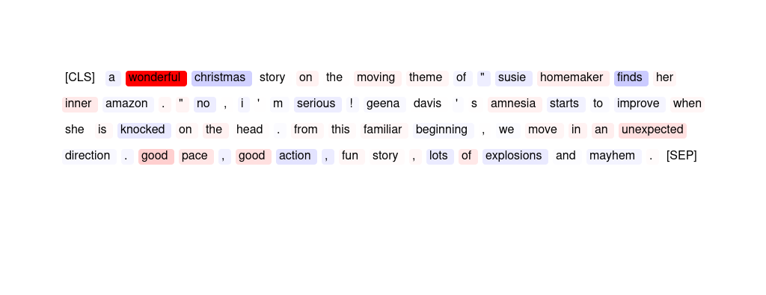
3 | SMV | "subject matter : cosmology , quantum physics and stephen hawking < br / > < br / > soundtrack : phillip glass < br / > < br / > have i died and gone to heaven ? < br / > < br / > you will be enraptured ." | Most indicative of the sentiment prediction were the words » soundtrack : « and » enraptured «.
4 | HM | 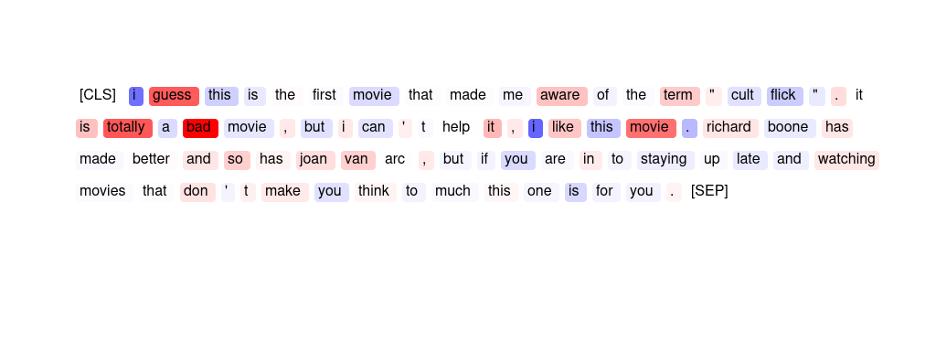
5 | ER | this movie is specially for children and i think they will enjoy the movie . for older than 10 the movie is not great but hilary swank played very well and without her the movie is very bad but now it gets a 7 . | bad enjoy for now it
6 | ER | . . . because while i thoroughly enjoyed this film , it seems from other user comments that i ' m in the minority . maybe not one for the philosopher ( eek ) , there are some wonderful scenes here ( - particularly the techno ) , and the great life adventure story originally portrayed . go see for yourself ! | enjoyed thoroughly great wonderful while
7 | GPT | maybe the subject was good , but put down to a script it fails in pace . maybe the author was trying to obtain something slow - paced like alien , but instead of being haunting , this movie turned out just boring . technically good , anyway , a pity for the lack of tension . | The sentiment analyzer has predicted this movie review as '{placeholder}' because words like "fails," "boring," "lack of tension," and "haunting" have high importance scores indicating {placeholder} sentiment. Additionally, words like "good" and "technically good" have negative importance scores indicating that they do not contribute much to the overall sentiment of the review.
8 | SMV | . . . but you can see it from here . < br / > < br / > i definitely don ' t understand why anyone would recommend this movie . not a bit of plot , not suspenseful , not well - made . no point to having made it , really . < br / > < br / > completely forgettable in ever way . | The spans » movie . « and » , not well « are most salient.
9 | ER | michael dudikoff stars as joe armstrong a martial artist who fights ninjas who are stealing weapons from the u . s army , in this entertaining yet admittedly brainless martial arts actioner , which is hampered by too many long pauses without action , but helped by some high energy action setpieces as well as steve james ' performance . | entertaining setpieces brainless helped admittedly
10 | SMV | i saw this movie when it was first released and thoroughly enjoyed it . the music and scenery are beautiful . i purchased the vhs tape a few years ago and watch it frequently . i would recommend it to anyone who loves a romance movie or older elton john music . | The phrase » are beautiful « and the span » enjoyed it . the « are most salient.
11 | GPT | this movie includes one of the best characters and dialog that crispin glover has ever played . uma thurman and suzy amis are also great in this movie , but crispin makes it a great depiction of young people trying to make it in new york . | The sentiment analyzer has predicted this movie review as '{placeholder}' because the words 'best', 'great', 'crisp', 'depiction', and 'young people' have high importance scores indicating that they contribute {placeholder} to the overall sentiment of the review. Additionally, the {placeholder} scores for the characters and dialogue suggest that the reviewer enjoyed these aspects of the movie.
12 | ER | "a wonderful christmas story on the moving theme of "" susie home maker finds her inner amazon . "" no , i ' m serious ! gee na davis ' s amnesia starts to improve when she is knocked on the head . from this familiar beginning , we move in an unexpected direction . good pace , good action , fun story , lots of explosions and mayhem ." | wonderful Good good unexpected fun
13 | SMV | recycled and predictable plot . the characters are as memorable as the story line . we came in few minutes late and only saw the end of the opening scene which turned out to be a good thing since it was too intense for a 3 and a 4 year old . overall a disappointment . | The words » disappointment « and » too « are most important for the prediction.
14 | SMV | . . . because while i thoroughly enjoyed this film , it seems from other user comments that i ' m in the minority . maybe not one for the philosopher ( eek ) , there are some wonderful scenes here ( - particularly the techno ) , and the great life adventure story originally portrayed . go see for yourself ! | The two phrases » thoroughly enjoyed « and » the great life « were most important for the prediction.
15 | SMV | this film is an embarrassment . nothing works on any level . the direction , screenplay , acting , and editing work together to repel your eyes from the screen . everything is inappropriate and incoherent . at first you can sit there with and groan , wince , and laugh at it , but very shortly the whole effort of watching just becomes too ponderous . | » the whole effort of watching just becomes too « is the most important phrase for the model's prediction.
16 | SMV | "a wonderful christmas story on the moving theme of "" susie home maker finds her inner amazon . "" no , i ' m serious ! gee na davis ' s amnesia starts to improve when she is knocked on the head . from this familiar beginning , we move in an unexpected direction . good pace , good action , fun story , lots of explosions and mayhem ." | The word » wonderful « is most important, but the phrase » good pace « is also salient.
17 | HM | 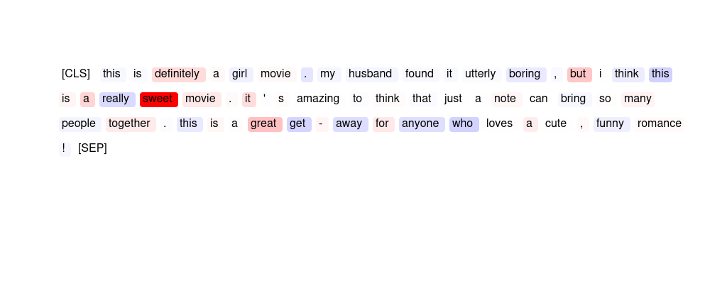
18 | SMV | this is an excellent documentary about amalia rodrigues . i enjoyed it very much ; it ' s very well put together and very informative . if you want to know who is amalia rodrigues . i highly recommend you see this film , " the art of amalia rodrigues " . < br / > < br / > | The phrase » it ' s very well « is most indicative of the sentiment label.
19 | SMV | "this movie is all about blaxploit ation , there is absolutely no plot at all . a pimp stops some bad guys with his kung fu hoes to try to get his nightclub back . rated r for strong language , and a brief sexual situation ." | The phrase » movie is « and the word » sexual « were focused on the most for this prediction.
20 | SMV | there are a few scripts like this one floating around hollywood ; this one is not even close to the best - - just the first . this is all production value , no substance , but the disney name probably will help it . a good idea , a wasted opportunity . | The word » wasted « and the phrase » not even « were important.
21 | SMV | this movie includes one of the best characters and dialog that crispin glover has ever played . uma thurman and suzy amis are also great in this movie , but crispin makes it a great depiction of young people trying to make it in new york . | The phrase » includes one of the best characters and dialog « was most important to the model.
22 | GPT | . . . but you can see it from here . < br / > < br / > i definitely don ' t understand why anyone would recommend this movie . not a bit of plot , not suspenseful , not well - made . no point to having made it , really . < br / > < br / > completely forgettable in ever way . | The sentiment analyzer has predicted this movie review as '{placeholder}' because of the high importance scores assigned to {placeholder} words such as 'not', 'no', 'point', 'forgettable', 'not well-made', 'not suspenseful', 'completely forgettable', 'not a bit of plot' and 'why anyone would recommend this movie'. These words have strong {placeholder} connotations and have contributed significantly to the overall {placeholder} sentiment of the review.
23 | SMV | jim varney ' s first real movie is quite a delight , but don ' t come in expecting to see ernest p . worrel any time soon . i felt the wide array of characters varney depicted were great , but without being said , the rest of the movie should be put into a mulcher or something . a rather odd beginning for a movie icon . | The span » . a rather odd beginning for « and the phrase » depicted were « are most important.
24 | SMV | this movie is specially for children and i think they will enjoy the movie . for older than 10 the movie is not great but hilary swank played very well and without her the movie is very bad but now it gets a 7 . | The phrase » movie is « was most important to the model's prediction.
25 | GPT | "i ' ve seen river dance in person and nothing compares to the video , but the show is awesome . the dancers are amazing . the music is impacting . and the overall performance is outstanding . i ' ve never seen anything like it ! i suggest that you see this show if you can ! ! !" | The sentiment analyzer has predicted this movie review as '{placeholder}' because the words 'awesome', 'amazing', 'outstanding', and 'never seen anything like it' have high importance scores. Additionally, the words 'music', 'performance', and 'show' also have high importance scores, indicating that the overall experience of watching the movie was enjoyable.
26 | GPT | i watched this film on the advice of a friend who assured me it was one of the funniest things he ' d ever seen . sadly this person is completely lacking a sense of humour and i was forced to endure two hours of the worst film making i have ever seen . please do not watch this film . 1 / 10 | The sentiment analyzer has predicted this movie review as '{placeholder}' because words like "worst" (0.28), "forced" (0.11), "endure" (-0.02), and "sadly" (0.02) have high importance scores indicating {placeholder} sentiment. Additionally, words like "lacking" (0.11) and "ever" (-0.02) also contribute to the {placeholder} sentiment.
27 | ER | this is an excellent documentary about amalia rodrigues . i enjoyed it very much ; it ' s very well put together and very informative . if you want to know who is amalia rodrigues . i highly recommend you see this film , " the art of amalia rodrigues " . < br / > < br / > | excellent enjoyed informative recommend well
28 | HM
29 | ER | it was poorly shot . looks like a rush job , last minute casting is obvious . writing is very weak . good for stage , not film . i feel bad for andrew mccarthy . he ' s a very good actor who has not been getting good roles lately . this role was not for him . maybe glad it has been picked up yet . on the festival circuit this film shall stay . | weak poorly Good Looks bad
30 | ER | oh boy ! it was just a dream ! what a great idea ! mr lynch is very lucky most people try to tell classical stories . this way he can play with his little plantings and his even more little payoffs . check out polanski ' s " the lodger " for far more intelligent mix of fantasy and reality . | great dream ! ! way
31 | HM | 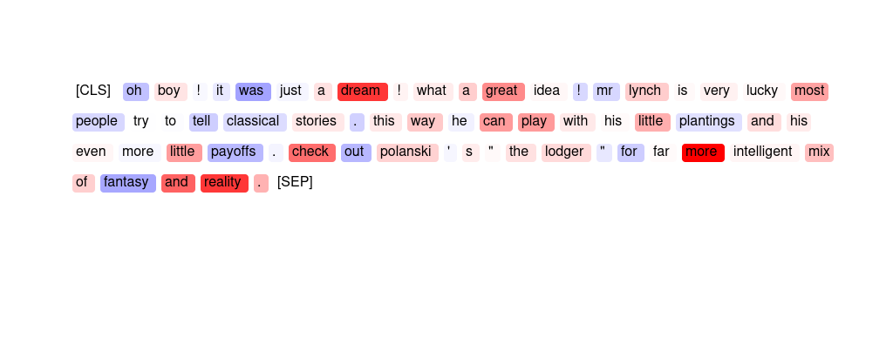
32 | ER | this is a great movie . too bad it is not available on home video . | great Too bad home .
33 | SMV | i´m only joking . this was potentially the worst film i have ever had the misfortune to sit through . how anybody in the 1950´s could have raised a laugh at this innane rubbish is beyond my comprehension . i jest not . | » was potentially the worst film i have ever « is most important for the prediction.
34 | SMV | michael dudikoff stars as joe armstrong a martial artist who fights ninjas who are stealing weapons from the u . s army , in this entertaining yet admittedly brainless martial arts actioner , which is hampered by too many long pauses without action , but helped by some high energy action setpieces as well as steve james ' performance . | The phrase » this entertaining yet admittedly « is most important for the outcome.
35 | ER | i watched this film on the advice of a friend who assured me it was one of the funniest things he ' d ever seen . sadly this person is completely lacking a sense of humour and i was forced to endure two hours of the worst film making i have ever seen . please do not watch this film . 1 / 10 | worst Sadly funniest lacking not
36 | SMV | i ' m not in favor of death penalties but in this movie , it couldn ' t happen fast enough . just to end the movie . i don ' t understand why this movie is rated as high as it is . it fooled me into a bad night . | The phrase » me into a bad « was important and the word » movie « was also salient.
37 | GPT | "the stuff dreams are made of . a complete retelling of the play as a dream of vengeance : will baffle purist s , but will delight the open-minded . a superb effort : great cinematography , acting , and script . 11 - stars . . . * * * * * * * * * * *" | The sentiment analyzer has predicted this movie review as '{placeholder}' because the words 'dreams', 'made', 'complete', 'dream', 'open', and 'superb effort' have high importance scores. These words suggest that the movie is well-made and enjoyable. Additionally, the words 'great cinematography', 'acting', and 'script' also have high importance scores, indicating that these elements of the movie were well-received and contributed to the {placeholder} sentiment.
38 | GPT | it ' s hard to believe that with a cast as strong as this one has , that this movie can be such a dud . it ' s such an incredibly horrible film . how was it ever made ? how did so many good actors wind up in such a terrible film ? don ' t waste your life . don ' t watch even one moment of this film . | The sentiment analyzer has predicted this movie review as '{placeholder}' because words like "horrible", "terrible", and "waste" have high importance scores, indicating that they strongly contribute to the {placeholder} sentiment of the review. Additionally, words like "hard", "even", and "life" have negative importance scores, indicating that they also contribute to the {placeholder} sentiment of the review. Overall, the importance scores suggest that the review is strongly {placeholder}.
39 | GPT | evil warlord puts a town through pain and suffering . not long before they call upon giant stone samurai daimaijin for help . daimaijin soon comes and really gets the warlord with all his viscious might . the revenge climax is really funny as daimajin squashes guys under his feet and crushes guys with his fist and even drives a spike though a man ' s heart . | The sentiment analyzer has predicted this movie review as '{placeholder}' because the words with positive importance scores outweigh the words with negative importance scores. The words "town", "pain", "suffering", "help", "might", and "funny" have positive importance scores, while only the words "evil", "warlord", "samurai", "climax", "revenge", and "crush" have negative importance scores. Additionally, the high importance score of 2.14 for the word "funny" suggests that the humor in the movie had a significant impact on the sentiment analysis.
40 | SMV | "i ' ve seen river dance in person and nothing compares to the video , but the show is awesome . the dancers are amazing . the music is impacting . and the overall performance is outstanding . i ' ve never seen anything like it ! i suggest that you see this show if you can ! ! !" | The span » amazing . the music is « is most important for the outcome.
41 | GPT | the premise is rather original and well thought-of , but unfortunately , siding a good story is very low budget that doesn ' t even allow for decent special effects . jeff fahey does his best amongst a poor cast , as does the always beautiful linda hoffman . they should make more movies together . the movie , while not worth much praise , warrants at least one viewing . | The sentiment analyzer has predicted this movie review as '{placeholder}' because of the negative importance scores associated with words like "low budget", "poor cast", and "not worth much praise". These words indicate that the movie did not meet the reviewer's expectations and was not of high quality. Additionally, the positive importance scores associated with words like "original" and "well thought" were not strong enough to outweigh the negative scores.
42 | HM | 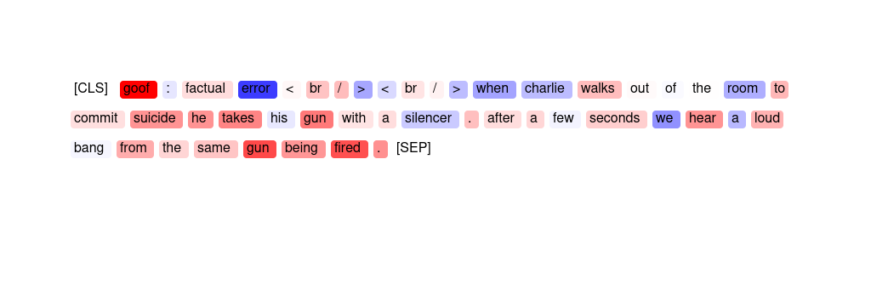
43 | GPT | hargh . . . this film is so bad it ' s almost good . trash at its best . jesus ' bro vs . pimps . . . come on . i ' d say that you ' d actually have to see this , it ' s so bad . . . my sides hurt when i laughed . i can ' t understand why this isn ' t in the worst 100 . | The sentiment analyzer has predicted this movie review as '{placeholder}' because words like "bad", "trash", and "worst" have high importance scores indicating {placeholder} sentiment. Additionally, words like "hurt" and "laughed" have lower importance scores but still contribute to the {placeholder} sentiment prediction. Overall, the review contains more {placeholder} words and sentiments than {placeholder} ones, leading to the {placeholder} sentiment prediction.
44 | GPT | "beautiful coming of age romance about an english boy and french girl who run off , and grow up . < br / > < br / > i saw this movie as a teenager and loved it . i saw it again this year and loved again . < br / > < br / >" | The sentiment analyzer has predicted this movie review as '{placeholder}' because the words 'beautiful', 'coming of age', 'romance', 'grow up', 'loved', and 'again' have high importance scores. These words are associated with {placeholder} emotions and experiences, which likely influenced the sentiment analyzer's prediction. Additionally, the reviewer mentions having loved the movie both as a teenager and again in the present year, which further reinforces the {placeholder} sentiment.
45 | SMV | this is a great movie . too bad it is not available on home video . | The phrase » too bad « is most important for the prediction.
46 | GPT | recycled and predictable plot . the characters are as memorable as the story line . we came in few minutes late and only saw the end of the opening scene which turned out to be a good thing since it was too intense for a 3 and a 4 year old . overall a disappointment . | The sentiment analyzer has predicted this movie review as '{placeholder}' because of the high importance scores given to words such as "disappointment" (-2.05) and "recycled" (0.24), which indicate a {placeholder} tone towards the movie. Additionally, the low importance scores given to words such as "characters" (-0.23) and "memorable" (-1.03) suggest that the reviewer did not find the characters engaging or memorable, contributing to the {placeholder} sentiment. The high importance score given to the word "intense" (3.28) also suggests that the reviewer found some parts of the movie too overwhelming, further contributing to the {placeholder} sentiment.
47 | GPT | "some tv programs continue into embarrassment ( my beloved ' x - files ' comes to mind . ) i ' ve been a fan of dennis farina since ' crime story , ' another late , lamented show . ' buddy faro ' never had a chance . the series had a good premise and great actors . it ' s really , really a shame ." | The sentiment analyzer has predicted this movie review as '{placeholder}' because words like "embarrassment", "lame", "never had a chance", "shame", and "bad premise" have high importance scores indicating {placeholder} sentiment. Additionally, words like "late", "lamented", "show", and "actors" also have negative importance scores. Overall, the negative importance scores outweigh the positive ones, leading to the {placeholder} sentiment prediction.
48 | SMV | although the movie was only so so the closed captioning was by far the best i have ever seen ! most of the time the spelling is terrible and the captioning out of sync . i use the closed captioning even though i can hear well but find a lot of actors mumble . also many times the sound track overrides the dialogue . thanks ! | The phrase » spelling is « and the word » thanks « are salient.
49 | ER | oh , well i thought it should be a good action , but it was not . although jeff speakman stars there is nothing to watch . only two fight for almost 1 , 5 hours , yak . a lot of talking and everything is so artificial that you could not believe it . the plot is clear from the beginning . if you want good action don ' t rent this movie . | artificial nothing yak If rent
50 | GPT | michael dudikoff stars as joe armstrong a martial artist who fights ninjas who are stealing weapons from the u . s army , in this entertaining yet admittedly brainless martial arts actioner , which is hampered by too many long pauses without action , but helped by some high energy action setpieces as well as steve james ' performance . | The sentiment analyzer has predicted this movie review as '{placeholder}' because words such as "entertaining", "high energy action", "set-piece", "well", and "performance" have high importance scores indicating a {placeholder} sentiment. However, the analyzer has also noted that the movie has some flaws such as "too many long pauses without action" and "hampered by too many" which have negative importance scores.
51 | SMV | i guess this is the first movie that made me aware of the term " cult flick " . it is totally a bad movie , but i can ' t help it , i like this movie . richard boone has made better and so has joan van arc , but if you are in to staying up late and watching movies that don ' t make you think to much this one is for you . | The word » bad « and the phrase » it is totally « were used by the model to make its prediction.
52 | SMV | all that talent . . . . . but when ya have poor direction , and a weak screenplay , it doesnt matter who is in a movie . very tired attempt at telling a tale . . which was actually interesting in the beginning , but then quickly fell apart toward the end . . . . to bad . | The word » bad « is most important and the phrase » but then quickly fell « is also salient.
53 | GPT | jim varney ' s first real movie is quite a delight , but don ' t come in expecting to see ernest p . worrel any time soon . i felt the wide array of characters varney depicted were great , but without being said , the rest of the movie should be put into a mulcher or something . a rather odd beginning for a movie icon . | The sentiment analyzer has predicted this movie review as '{placeholder}' because of the high importance scores given to words like 'delight', 'depicted', 'characters', 'great', 'rather odd', and 'movie icon'. These words indicate that the reviewer enjoyed the movie and found it to be well-crafted and interesting. However, there are also some negative importance scores given to words like 'real', 'expecting', and 'put into a mulcher', which suggest that there were some aspects of the movie that the reviewer did not enjoy. Overall, the positive importance scores outweigh the negative ones, leading the sentiment analyzer to predict a {placeholder} sentiment for this review.
54 | GPT | it was poorly shot . looks like a rush job , last minute casting is obvious . writing is very weak . good for stage , not film . i feel bad for andrew mccarthy . he ' s a very good actor who has not been getting good roles lately . this role was not for him . maybe glad it has been picked up yet . on the festival circuit this film shall stay . | The sentiment analyzer has predicted this movie review as {placeholder} because the words "poorly shot," "last minute casting," "very weak writing," "not good for film," "not been getting good roles lately," "role was not for him," and "shall stay" all have high importance scores indicating {placeholder} sentiment. Additionally, the words "feel bad" and "stay" also contribute to the {placeholder} sentiment prediction.
55 | ER | goo f : factual error < br / > < br / > when charlie walks out of the room to commit suicide he takes his gun with a silencer . after a few seconds we hear a loud bang from the same gun being fired . | seconds error loud < <
56 | ER | i ' m not in favor of death penalties but in this movie , it couldn ' t happen fast enough . just to end the movie . i don ' t understand why this movie is rated as high as it is . it fooled me into a bad night . | rated couldn fooled Just but
57 | ER | "the stuff dreams are made of . a complete retelling of the play as a dream of vengeance : will baffle purist s , but will delight the open-minded . a superb effort : great cinematography , acting , and script . 11 - stars . . . * * * * * * * * * * *" | superb delight great effort complete
58 | HM | 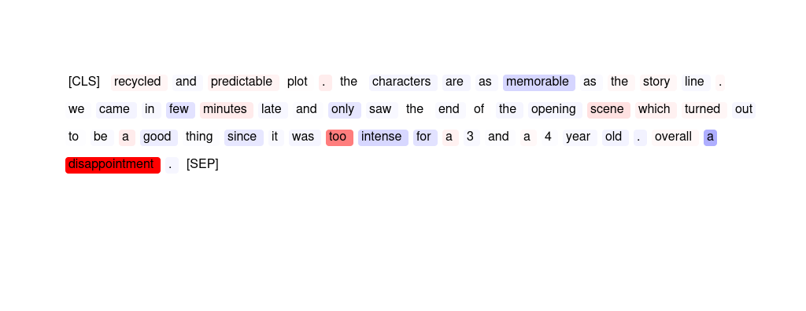
59 | HM | 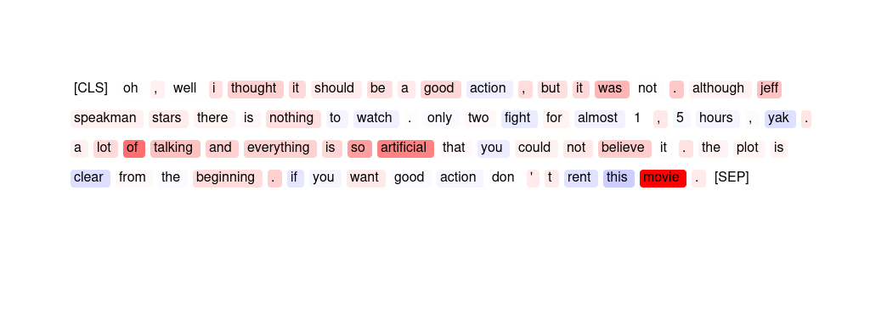
60 | GPT | goo f : factual error < br / > < br / > when charlie walks out of the room to commit suicide he takes his gun with a silencer . after a few seconds we hear a loud bang from the same gun being fired . | The sentiment analyzer has predicted this movie review as '{placeholder}' because of the negative importance scores associated with words such as 'suicide', 'gun', 'loud bang', and 'fired'. These words suggest a {placeholder} and potentially violent tone to the review. Additionally, some words such as 'error' and 'when' have negative scores, which may have contributed to the overall {placeholder} sentiment prediction.
61 | HM | 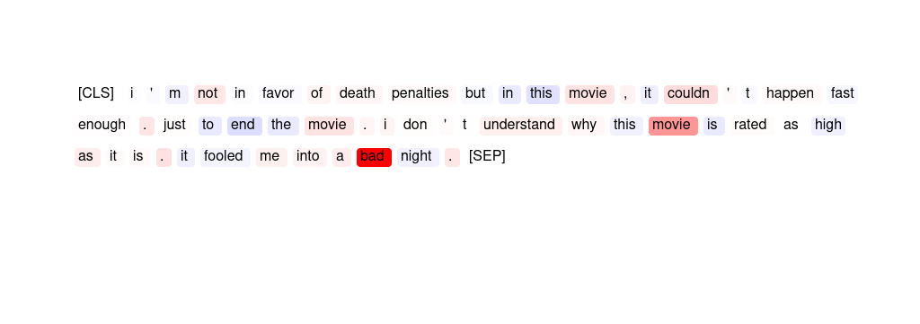
62 | ER | although the movie was only so so the closed captioning was by far the best i have ever seen ! most of the time the spelling is terrible and the captioning out of sync . i use the closed captioning even though i can hear well but find a lot of actors mumble . also many times the sound track overrides the dialogue . thanks ! | Thanks best terrible mumble overrides
63 | SMV | this movies is really special ! it ' s about a young french who go in barcelona ( spain ) in order to study and in barcleona he meets other youngs europeean like him . this film he ' s the european movies of the year so go watch it ! | The phrase » really special « and the word » europe « were important.
64 | SMV | it ' s hard to believe that with a cast as strong as this one has , that this movie can be such a dud . it ' s such an incredibly horrible film . how was it ever made ? how did so many good actors wind up in such a terrible film ? don ' t waste your life . don ' t watch even one moment of this film . | The two spans » terrible film ? don ' t « and » horrible film . how was « were most salient.
65 | GPT | "subject matter : cosmology , quantum physics and stephen hawking < br / > < br / > soundtrack : phillip glass < br / > < br / > have i died and gone to heaven ? < br / > < br / > you will be enraptured ." | The sentiment analyzer has predicted this movie review as '{placeholder}' because the subject matter has a slightly negative importance score, while the soundtrack has a significantly positive importance score. Additionally, the use of {placeholder} words such as "gone" and "heaven" have contributed to the {placeholder} sentiment prediction.
66 | SMV | let ' s just say that it might be the worst movie i ' ve ever seen . on the front of the box of the movie it says something about it resembling reservoir dogs . i fell for it hook , line , and sinker . this is just a warning message to anyone who might read this . it ' s not even worth renting when you want something to laugh at . | The word » movie « together with the phrase » be the worst movie i ' ve « were salient for the outcome.
67 | HM | 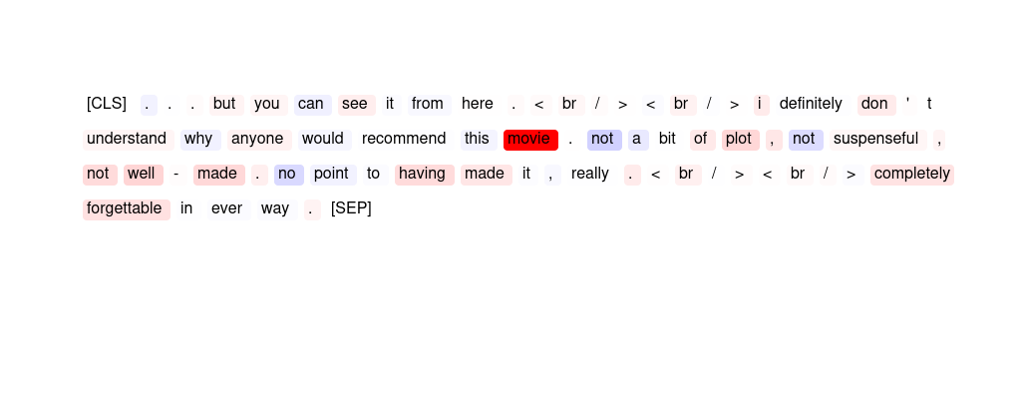
68 | GPT | this film is an embarrassment . nothing works on any level . the direction , screenplay , acting , and editing work together to repel your eyes from the screen . everything is inappropriate and incoherent . at first you can sit there with and groan , wince , and laugh at it , but very shortly the whole effort of watching just becomes too ponderous . | The sentiment analyzer has predicted this movie review as '{placeholder}' because of the high importance scores given to {placeholder} words such as 'embarrassment', 'nothing works', 'inappropriate', 'ponderous', and 'whole effort'. The low importance scores given to {placeholder} words such as 'screenplay', 'editing', and 'laugh' also contribute to the {placeholder} sentiment prediction. Overall, the importance scores suggest that the movie review contains a lot of {placeholder} language and criticism towards the film.
69 | ER | this movie is awful , just awful . someone bought it for me as a christmas present because they knew i liked a good horror flick . i don ' t think they understood the " good " part . all i can say is next year this person is getting slipper socks from me . avoid this movie - - it makes you bitter . peace . < br / > < br / > | Avoid awful awful socks bitter
70 | ER | let ' s just say that it might be the worst movie i ' ve ever seen . on the front of the box of the movie it says something about it resembling reservoir dogs . i fell for it hook , line , and sinker . this is just a warning message to anyone who might read this . it ' s not even worth renting when you want something to laugh at . | worst sinker ve fell line
71 | GPT | "this movie is all about blaxploit ation , there is absolutely no plot at all . a pimp stops some bad guys with his kung fu hoes to try to get his nightclub back . rated r for strong language , and a brief sexual situation ." | The sentiment analyzer has predicted this movie review as '{placeholder}' because of the negative importance scores associated with words such as "no plot," "bad guys," and "brief sexual situation." In contrast, positive importance scores are associated with words such as "kung fu," "try," and "nightclub back," but their overall impact is outweighed by the negative scores.
72 | ER | this movies is really special ! it ' s about a young french who go in barcelona ( spain ) in order to study and in barcleona he meets other youngs europeean like him . this film he ' s the european movies of the year so go watch it ! | ! go special really !
73 | HM | 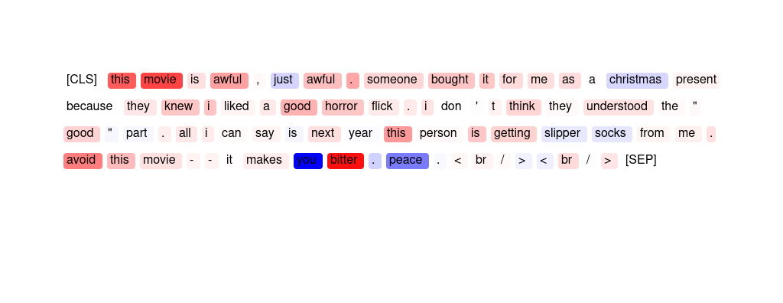
74 | ER | this movie includes one of the best characters and dialog that crispin glover has ever played . uma thurman and suzy amis are also great in this movie , but crispin makes it a great depiction of young people trying to make it in new york . | best great great Crispin makes
75 | GPT | this is an excellent documentary about amalia rodrigues . i enjoyed it very much ; it ' s very well put together and very informative . if you want to know who is amalia rodrigues . i highly recommend you see this film , " the art of amalia rodrigues " . < br / > < br / > | The sentiment analyzer has predicted this movie review as '{placeholder}' because of the high importance scores given to words such as 'excellent', 'very well put together', 'informative', 'highly recommend', and 'enjoyed'. These words suggest that the reviewer had a {placeholder} experience watching the documentary and would recommend it to others.
76 | ER | i guess this is the first movie that made me aware of the term " cult flick " . it is totally a bad movie , but i can ' t help it , i like this movie . richard boone has made better and so has joan van arc , but if you are in to staying up late and watching movies that don ' t make you think to much this one is for you . | bad like guess t for
77 | ER | "this is definitely a girl movie . my husband found it utterly boring , but i think this is a really sweet movie . it ' s amazing to think that just a note can bring so many people together . this is a great get-away for anyone who loves a cute , funny romance !" | sweet great amazing really boring
78 | SMV | maybe the subject was good , but put down to a script it fails in pace . maybe the author was trying to obtain something slow - paced like alien , but instead of being haunting , this movie turned out just boring . technically good , anyway , a pity for the lack of tension . | The phrase » maybe the author was trying to « was most important in making this prediction.
79 | HM | 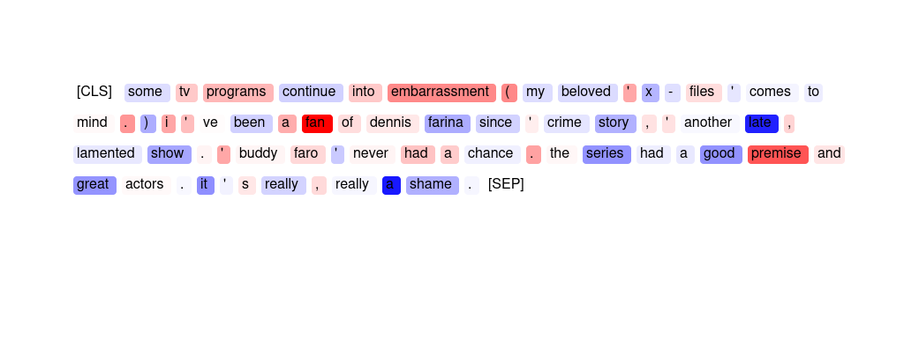
80 | GPT | although the movie was only so so the closed captioning was by far the best i have ever seen ! most of the time the spelling is terrible and the captioning out of sync . i use the closed captioning even though i can hear well but find a lot of actors mumble . also many times the sound track overrides the dialogue . thanks ! | The sentiment analyzer has predicted this movie review as '{placeholder}' because there are several {placeholder} words with high importance scores such as 'best', 'seen', and 'thanks'. Additionally, there are some neutral words with positive scores such as 'although', 'only', and 'most of the time', which may have contributed to the overall {placeholder} sentiment prediction. However, there are also {placeholder} words with high importance scores such as 'terrible' and 'out of sync', which may have slightly lowered the overall {placeholder} sentiment prediction.
81 | GPT | this movie is awful , just awful . someone bought it for me as a christmas present because they knew i liked a good horror flick . i don ' t think they understood the " good " part . all i can say is next year this person is getting slipper socks from me . avoid this movie - - it makes you bitter . peace . < br / > < br / > | The sentiment analyzer has predicted this movie review as '{placeholder}' because words like "awful" and "just awful" have high importance scores, indicating that they strongly contribute to the {placeholder} sentiment. Additionally, words like "avoid" and "bitter" also have high importance scores, further strengthening the {placeholder} sentiment. Overall, the importance scores suggest that the review contains several strongly {placeholder} words, leading the sentiment analyzer to predict a {placeholder} sentiment.
82 | GPT | oh , well i thought it should be a good action , but it was not . although jeff speakman stars there is nothing to watch . only two fight for almost 1 , 5 hours , yak . a lot of talking and everything is so artificial that you could not believe it . the plot is clear from the beginning . if you want good action don ' t rent this movie . | The sentiment analyzer has predicted this movie review as '{placeholder}' because the words with the highest importance scores are 'not', 'artificial', 'could not believe', and 'don't rent'. These words indicate a {placeholder} opinion towards the movie and its quality. Additionally, the high importance score for the word 'movie' suggests that the overall sentiment towards the movie is {placeholder}.
83 | GPT | i guess this is the first movie that made me aware of the term " cult flick " . it is totally a bad movie , but i can ' t help it , i like this movie . richard boone has made better and so has joan van arc , but if you are in to staying up late and watching movies that don ' t make you think to much this one is for you . | The sentiment analyzer has predicted this movie review as '{placeholder}' because of the negative importance scores associated with words such as "bad", "worse", "late", "don't", and "think too much". These words indicate a {placeholder} perception of the movie and its quality. However, there are also positive importance scores associated with words such as "like" and "totally", which suggest a mixed sentiment.
84 | SMV | evil warlord puts a town through pain and suffering . not long before they call upon giant stone samurai daimaijin for help . daimaijin soon comes and really gets the warlord with all his viscious might . the revenge climax is really funny as daimajin squashes guys under his feet and crushes guys with his fist and even drives a spike though a man ' s heart . | Most important for the prediction is the phrase » is really funny as daimajin squash «.
85 | SMV | this movie is awful , just awful . someone bought it for me as a christmas present because they knew i liked a good horror flick . i don ' t think they understood the " good " part . all i can say is next year this person is getting slipper socks from me . avoid this movie - - it makes you bitter . peace . < br / > < br / > | The span » . avoid this movie « and the word » bitter « were most salient.
86 | HM | 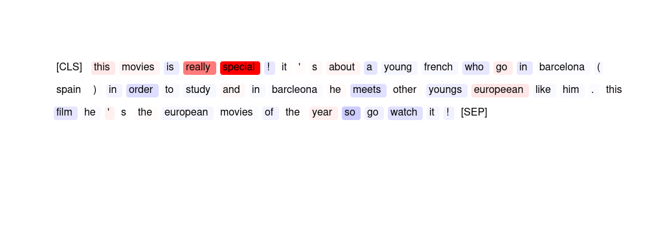
87 | ER | i´m only joking . this was potentially the worst film i have ever had the misfortune to sit through . how anybody in the 1950´s could have raised a laugh at this innane rubbish is beyond my comprehension . i jest not . | worst innane rubbish jest not
88 | GPT | . . . because while i thoroughly enjoyed this film , it seems from other user comments that i ' m in the minority . maybe not one for the philosopher ( eek ) , there are some wonderful scenes here ( - particularly the techno ) , and the great life adventure story originally portrayed . go see for yourself ! | The sentiment analyzer has predicted this movie review as '{placeholder}' because of the high importance scores given to words like "enjoyed", "wonderful", "great", "life", and "adventure". These {placeholder} words have contributed to the overall {placeholder} sentiment of the review. However, there are also some negative importance scores given to words like "minority", "techno", and "adventure story", which may have slightly lowered the overall {placeholder} sentiment.
89 | HM | 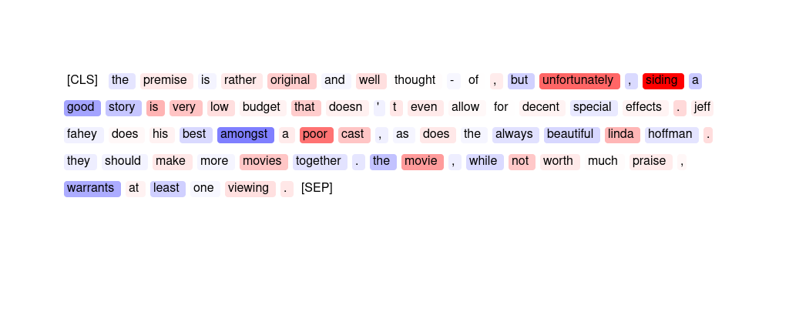
90 | HM | 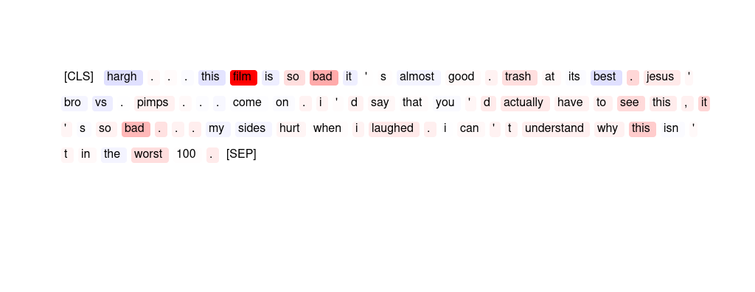
91 | ER | maybe the subject was good , but put down to a script it fails in pace . maybe the author was trying to obtain something slow - paced like alien , but instead of being haunting , this movie turned out just boring . technically good , anyway , a pity for the lack of tension . | fails pity boring Technically haunting
92 | GPT | i´m only joking . this was potentially the worst film i have ever had the misfortune to sit through . how anybody in the 1950´s could have raised a laugh at this innane rubbish is beyond my comprehension . i jest not . | The sentiment analyzer has predicted this movie review as '{placeholder}' because words like "worst", "misfortune", "sit through", "innane", and "rubbish" have high importance scores indicating their contribution towards the {placeholder} sentiment. Additionally, the word "1950s" has a negative importance score indicating that the reviewer believes that even movies from that era were better than this one.
93 | ER | "not a film of entertainment , but of real lives & limited ambition for the working class in 60 ' s . enjoyable because of my upbringing , not sure it ' d work for most people . typical loach . full of tv actors / actresses of 70 ' s / 80 ' s / 90 ' s ." | Enjoyable Loach not Not Typical
94 | SMV | i watched this film on the advice of a friend who assured me it was one of the funniest things he ' d ever seen . sadly this person is completely lacking a sense of humour and i was forced to endure two hours of the worst film making i have ever seen . please do not watch this film . 1 / 10 | The phrase » hours of the worst film making i « is most important for the model prediction.
95 | HM | 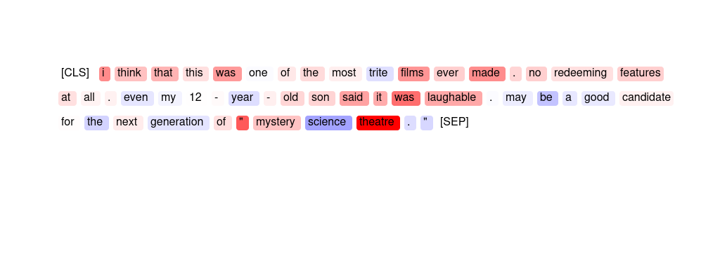
96 | GPT | there are a few scripts like this one floating around hollywood ; this one is not even close to the best - - just the first . this is all production value , no substance , but the disney name probably will help it . a good idea , a wasted opportunity . | The sentiment analyzer has predicted this movie review as '{placeholder}' because words like "not even close to the best", "no substance", "wasted opportunity" have high negative importance scores. On the other hand, words like "Disney", "production value", and "probably" have relatively low positive importance scores, which indicates that they were not enough to offset the {placeholder} sentiment conveyed by the other words.
97 | HM | 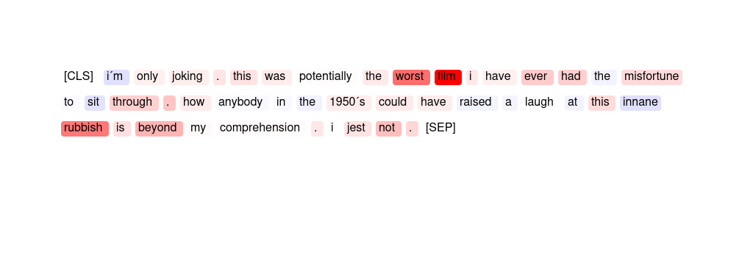
98 | HM | 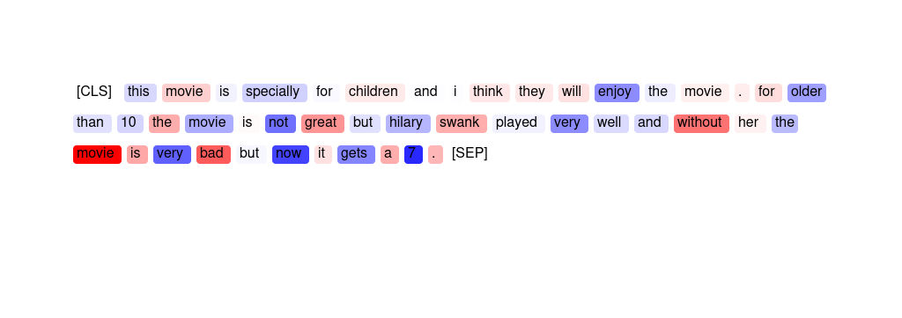
99 | HM | 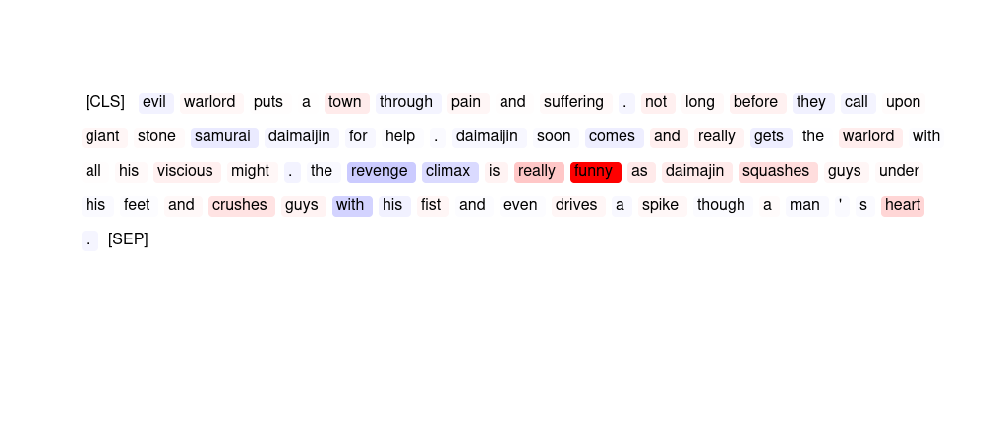
100 | GPT | this movie is specially for children and i think they will enjoy the movie . for older than 10 the movie is not great but hilary swank played very well and without her the movie is very bad but now it gets a 7 . | The sentiment analyzer has predicted this movie review as '{placeholder}' because of the high negative importance scores assigned to words like 'not great', 'bad', 'without her', and 'older than 10'. These words indicate that the reviewer did not enjoy the movie and felt that it was not suitable for older audiences. Additionally, the positive importance score for the word 'enjoy' is relatively low, suggesting that the reviewer did not find the movie enjoyable overall.
101 | ER | it ' s hard to believe that with a cast as strong as this one has , that this movie can be such a dud . it ' s such an incredibly horrible film . how was it ever made ? how did so many good actors wind up in such a terrible film ? don ' t waste your life . don ' t watch even one moment of this film . | horrible terrible dud waste incredibly
102 | ER | jim varney ' s first real movie is quite a delight , but don ' t come in expecting to see ernest p . worrel any time soon . i felt the wide array of characters varney depicted were great , but without being said , the rest of the movie should be put into a mulcher or something . a rather odd beginning for a movie icon . | great delight mulcher real Worrel
103 | SMV | oh boy ! it was just a dream ! what a great idea ! mr lynch is very lucky most people try to tell classical stories . this way he can play with his little plantings and his even more little payoffs . check out polanski ' s " the lodger " for far more intelligent mix of fantasy and reality . | The two phrases » far more intelligent mix of « and » and reality « are most salient for the prediction.
104 | ER | this film is an embarrassment . nothing works on any level . the direction , screenplay , acting , and editing work together to repel your eyes from the screen . everything is inappropriate and incoherent . at first you can sit there with and groan , wince , and laugh at it , but very shortly the whole effort of watching just becomes too ponderous . | embarrassment Nothing ponderous incoherent repel
105 | SMV | hargh . . . this film is so bad it ' s almost good . trash at its best . jesus ' bro vs . pimps . . . come on . i ' d say that you ' d actually have to see this , it ' s so bad . . . my sides hurt when i laughed . i can ' t understand why this isn ' t in the worst 100 . | The word » film « and the span » so bad . . « are most important.
106 | GPT | i saw this movie when it was first released and thoroughly enjoyed it . the music and scenery are beautiful . i purchased the vhs tape a few years ago and watch it frequently . i would recommend it to anyone who loves a romance movie or older elton john music . | The sentiment analyzer has predicted this movie review as '{placeholder}' because the words 'enjoyed', 'beautiful', 'frequently', and 'recommend' have high importance scores, indicating that they strongly contribute to the overall {placeholder} sentiment of the review. Additionally, words such as 'music' and 'scenery' also have moderate importance scores, suggesting that they may have played a role in the {placeholder} sentiment as well.
107 | SMV | goo f : factual error < br / > < br / > when charlie walks out of the room to commit suicide he takes his gun with a silencer . after a few seconds we hear a loud bang from the same gun being fired . | The span » from the same gun being fired . « is most indicative for the model's prediction.
108 | ER | i saw this movie when it was first released and thoroughly enjoyed it . the music and scenery are beautiful . i purchased the vhs tape a few years ago and watch it frequently . i would recommend it to anyone who loves a romance movie or older elton john music . | enjoyed beautiful scenery recommend thoroughly
109 | ER | there are a few scripts like this one floating around hollywood ; this one is not even close to the best - - just the first . this is all production value , no substance , but the disney name probably will help it . a good idea , a wasted opportunity . | wasted good best value all
110 | ER | "i ' ve seen river dance in person and nothing compares to the video , but the show is awesome . the dancers are amazing . the music is impacting . and the overall performance is outstanding . i ' ve never seen anything like it ! i suggest that you see this show if you can ! ! !" | outstanding amazing performance awesome overall
111 | SMV | "beautiful coming of age romance about an english boy and french girl who run off , and grow up . < br / > < br / > i saw this movie as a teenager and loved it . i saw it again this year and loved again . < br / > < br / >" | » loved « and the phrase » year and loved again « are most salient in this text.
112 | ER | evil warlord puts a town through pain and suffering . not long before they call upon giant stone samurai daimaijin for help . daimaijin soon comes and really gets the warlord with all his viscious might . the revenge climax is really funny as daimajin squashes guys under his feet and crushes guys with his fist and even drives a spike though a man ' s heart . | funny really Daimajin revenge climax
113 | HM | 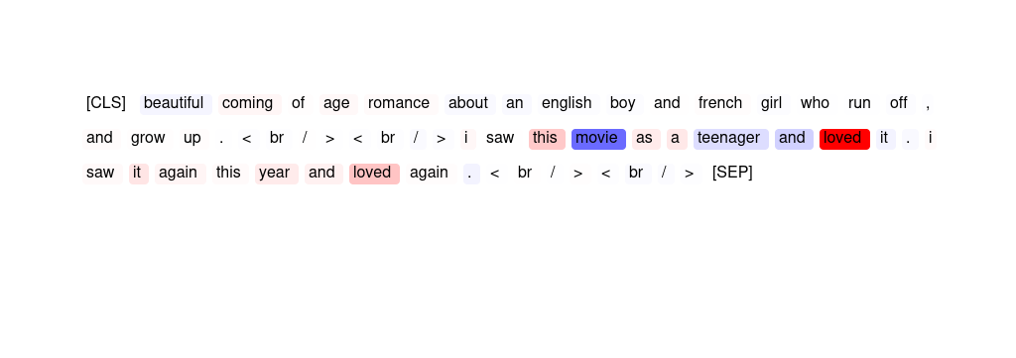
114 | HM | 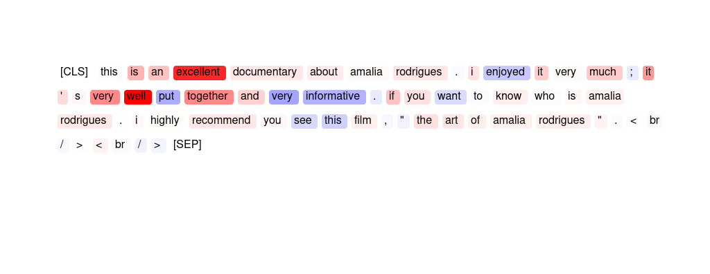
115 | SMV | "the stuff dreams are made of . a complete retelling of the play as a dream of vengeance : will baffle purist s , but will delight the open-minded . a superb effort : great cinematography , acting , and script . 11 - stars . . . * * * * * * * * * * *" | The phrase » a superb « is most important, but the word » great « is also salient.
116 | ER | "subject matter : cosmology , quantum physics and stephen hawking < br / > < br / > soundtrack : phillip glass < br / > < br / > have i died and gone to heaven ? < br / > < br / > you will be enraptured ." | enraptured You < gone Have
117 | HM | 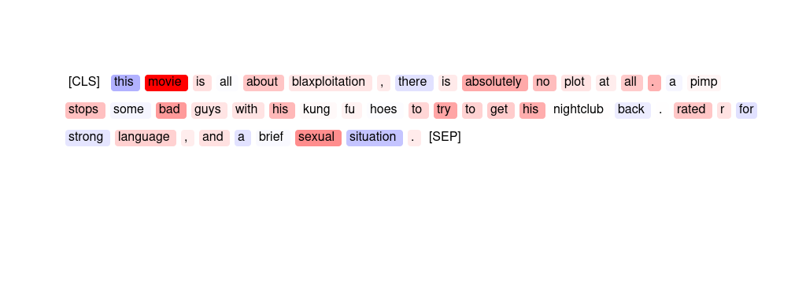
118 | SMV | the premise is rather original and well thought-of , but unfortunately , siding a good story is very low budget that doesn ' t even allow for decent special effects . jeff fahey does his best amongst a poor cast , as does the always beautiful linda hoffman . they should make more movies together . the movie , while not worth much praise , warrants at least one viewing . | The word » siding « and the phrase » a poor cast « are salient.
119 | HM | 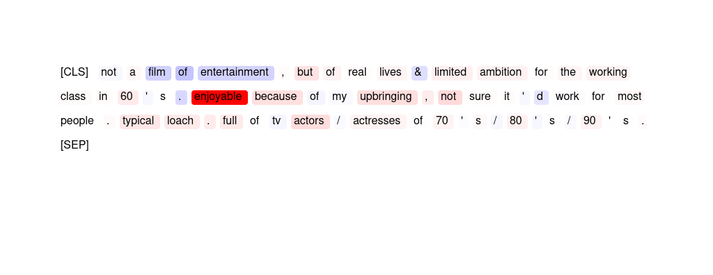
120 | HM | 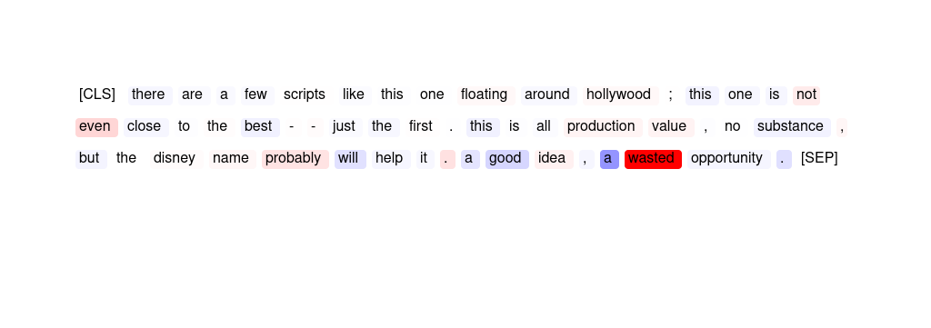
121 | HM | 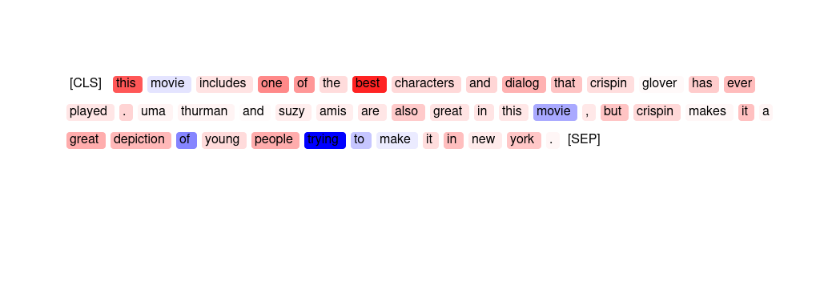
122 | HM | 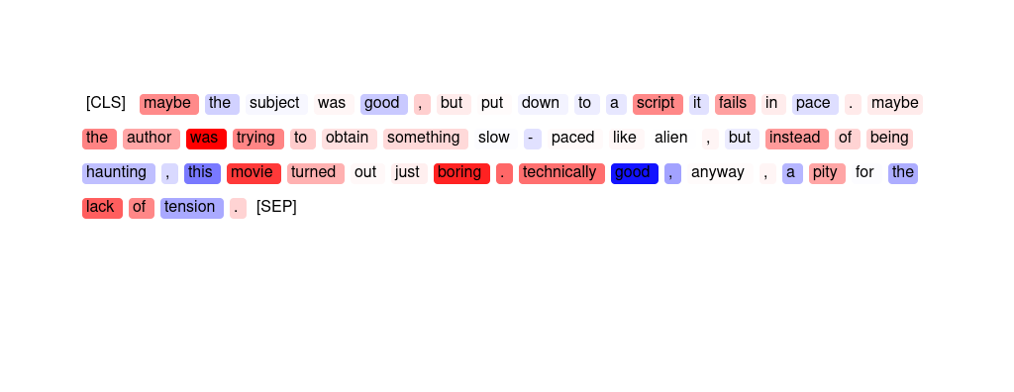
123 | ER | "some tv programs continue into embarrassment ( my beloved ' x - files ' comes to mind . ) i ' ve been a fan of dennis farina since ' crime story , ' another late , lamented show . ' buddy faro ' never had a chance . the series had a good premise and great actors . it ' s really , really a shame ." | shame great embarrassment good really
124 | HM | 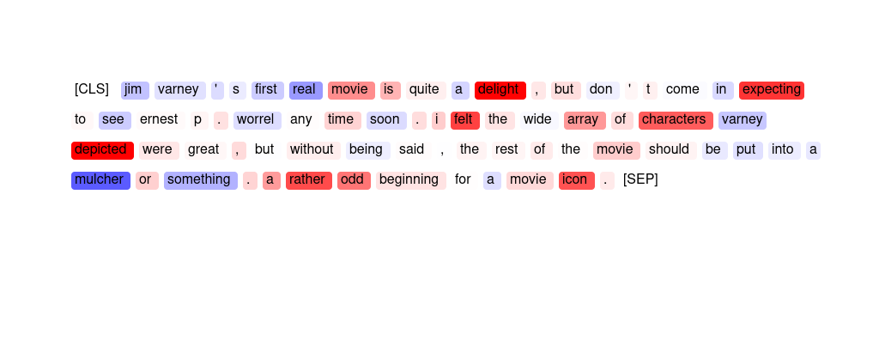
125 | HM | 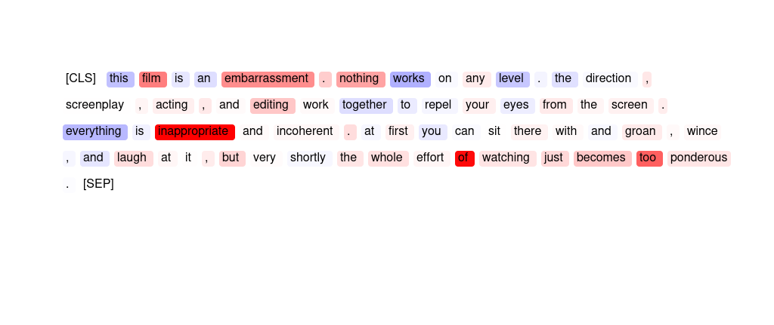
126 | HM | 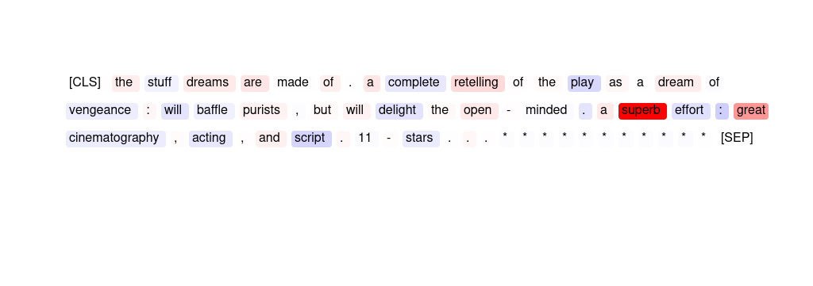
127 | ER | hargh . . . this film is so bad it ' s almost good . trash at its best . jesus ' bro vs . pimps . . . come on . i ' d say that you ' d actually have to see this , it ' s so bad . . . my sides hurt when i laughed . i can ' t understand why this isn ' t in the worst 100 . | bad bad best worst Trash
128 | HM | 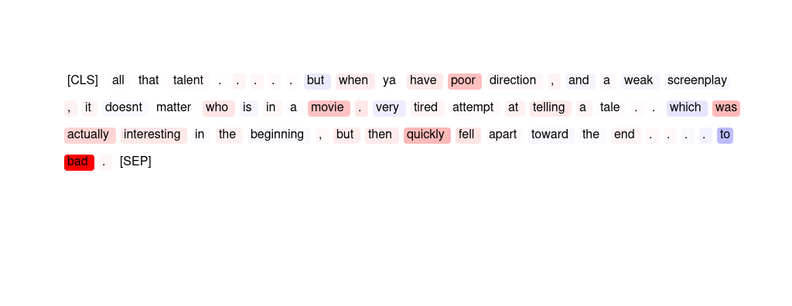
129 | HM | 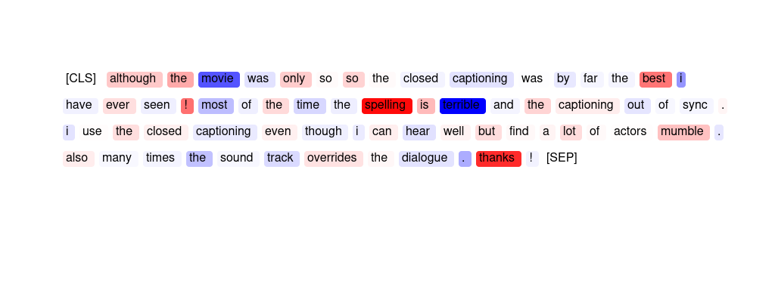
130 | SMV | it was poorly shot . looks like a rush job , last minute casting is obvious . writing is very weak . good for stage , not film . i feel bad for andrew mccarthy . he ' s a very good actor who has not been getting good roles lately . this role was not for him . maybe glad it has been picked up yet . on the festival circuit this film shall stay . | The span » . writing is very weak . « was most important to the model.
131 | ER | "this movie is all about blaxploit ation , there is absolutely no plot at all . a pimp stops some bad guys with his kung fu hoes to try to get his nightclub back . rated r for strong language , and a brief sexual situation ." | blaxploitation no absolutely all Rated
132 | HM | 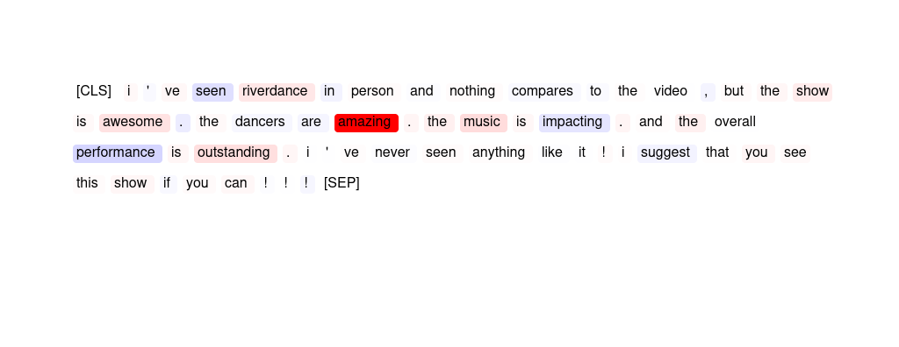
133 | HM | 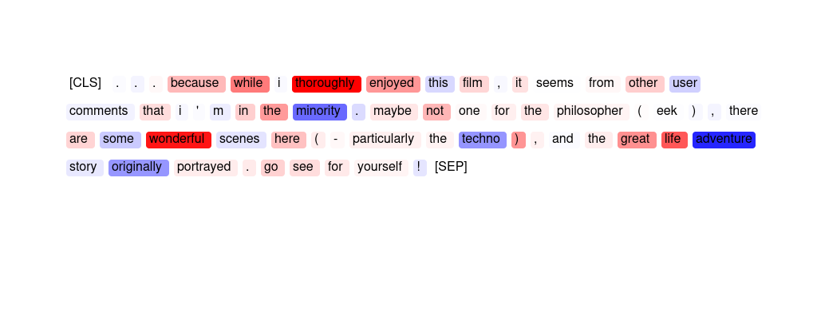
134 | SMV | "some tv programs continue into embarrassment ( my beloved ' x - files ' comes to mind . ) i ' ve been a fan of dennis farina since ' crime story , ' another late , lamented show . ' buddy faro ' never had a chance . the series had a good premise and great actors . it ' s really , really a shame ." | The phrases » a fan of dennis farina « and » into embarrassment ( « are most important.
135 | GPT | oh boy ! it was just a dream ! what a great idea ! mr lynch is very lucky most people try to tell classical stories . this way he can play with his little plantings and his even more little payoffs . check out polanski ' s " the lodger " for far more intelligent mix of fantasy and reality . | The sentiment analyzer has predicted this movie review as '{placeholder}' because the words 'dream', 'great idea', 'lucky', 'play', 'intelligent', 'fantasy', and 'reality' have high importance scores. These words suggest that the reviewer enjoyed the movie and found it to be creative and well thought out. Additionally, the words 'check out' and 'more' suggest that the reviewer is recommending the movie to others.
136 | SMV | "this is definitely a girl movie . my husband found it utterly boring , but i think this is a really sweet movie . it ' s amazing to think that just a note can bring so many people together . this is a great get-away for anyone who loves a cute , funny romance !" | The span » sweet movie . it « as well as the word » great « are salient.
137 | ER | . . . but you can see it from here . < br / > < br / > i definitely don ' t understand why anyone would recommend this movie . not a bit of plot , not suspenseful , not well - made . no point to having made it , really . < br / > < br / > completely forgettable in ever way . | forgettable but ever not Not
138 | GPT | "this is definitely a girl movie . my husband found it utterly boring , but i think this is a really sweet movie . it ' s amazing to think that just a note can bring so many people together . this is a great get-away for anyone who loves a cute , funny romance !" | The sentiment analyzer has predicted this movie review as '{placeholder}' because of the high importance scores for words such as 'amazing', 'together', 'great', 'cute', 'funny', and 'romance'. These words indicate that the reviewer enjoyed the movie and found it entertaining and enjoyable. Additionally, the high importance score for 'get-away' suggests that the movie provided a pleasant escape or distraction for the reviewer.
139 | GPT | "a wonderful christmas story on the moving theme of "" susie home maker finds her inner amazon . "" no , i ' m serious ! gee na davis ' s amnesia starts to improve when she is knocked on the head . from this familiar beginning , we move in an unexpected direction . good pace , good action , fun story , lots of explosions and mayhem ." | The sentiment analyzer has predicted this movie review as '{placeholder}' because of the high importance scores given to words like "wonderful", "Christmas", "good pace", "fun story", "lots of explosions", and "mayhem". These words have contributed {placeholder} towards the sentiment of the review. However, there are also some negative scores given to words like "amnesia" and "knocked", but they have not affected the overall {placeholder} sentiment of the review.
140 | SMV | oh , well i thought it should be a good action , but it was not . although jeff speakman stars there is nothing to watch . only two fight for almost 1 , 5 hours , yak . a lot of talking and everything is so artificial that you could not believe it . the plot is clear from the beginning . if you want good action don ' t rent this movie . | The phrase » a lot of talking and everything is so artificial that « is most salient for the model's judgment.
141 | ER | all that talent . . . . . but when ya have poor direction , and a weak screenplay , it doesnt matter who is in a movie . very tired attempt at telling a tale . . which was actually interesting in the beginning , but then quickly fell apart toward the end . . . . to bad . | tired WEAK QUICKLY Very bad
142 | GPT | this movies is really special ! it ' s about a young french who go in barcelona ( spain ) in order to study and in barcleona he meets other youngs europeean like him . this film he ' s the european movies of the year so go watch it ! | The sentiment analyzer has predicted this movie review as 'positive sentiment' because of the high importance scores given to the words 'really' (2.15) and 'special' (4.16), indicating a strong {placeholder} sentiment towards the movie. Additionally, the words 'year' (0.25) and 'Europe' (0.42) also received relatively high importance scores, suggesting that the movie's setting and overall theme were {placeholder} received. However, there were also some negative importance scores given to words like 'order' (-0.55), 'meets' (-0.51), and 'watch' (-0.5), indicating some potential drawbacks or criticisms of the movie.
143 | GPT | all that talent . . . . . but when ya have poor direction , and a weak screenplay , it doesnt matter who is in a movie . very tired attempt at telling a tale . . which was actually interesting in the beginning , but then quickly fell apart toward the end . . . . to bad . | The sentiment analyzer has predicted this movie review as '{placeholder}' because of the high importance scores given to words such as 'poor direction', 'weak screenplay', 'very tired attempt', 'fell apart', and 'to bad'. These words have high negative importance scores, indicating that they strongly contribute to the {placeholder} sentiment of the review. Additionally, words such as 'interesting' and 'beginning' have negative importance scores, indicating that their {placeholder} sentiment was not enough to offset the {placeholder} sentiment of the review.
144 | GPT | i think that this was one of the most trite films ever made . no redeeming features at all . even my 12 - year - old son said it was laughable . may be a good candidate for the next generation of " mystery science theatre . " | The sentiment analyzer has predicted this movie review as '{placeholder}' because words like 'most', 'terrible', 'laughable', and 'Mystery Science Theatre' have high importance scores indicating a {placeholder} sentiment. Additionally, words like '12-year-old', 'candidate', and 'next generation' have negative importance scores indicating that they contribute to the {placeholder} sentiment of the review.
145 | GPT | let ' s just say that it might be the worst movie i ' ve ever seen . on the front of the box of the movie it says something about it resembling reservoir dogs . i fell for it hook , line , and sinker . this is just a warning message to anyone who might read this . it ' s not even worth renting when you want something to laugh at . | The sentiment analyzer has predicted this movie review as {placeholder} because the words 'worst', 'movie', 'ever', 'hook', 'not', 'worth', 'laugh', and 'warning' have high importance scores indicating {placeholder}. The words 'reservoir', 'dogs', and 'renting' have relatively low importance scores but still contribute to the {placeholder} sentiment.
146 | HM | 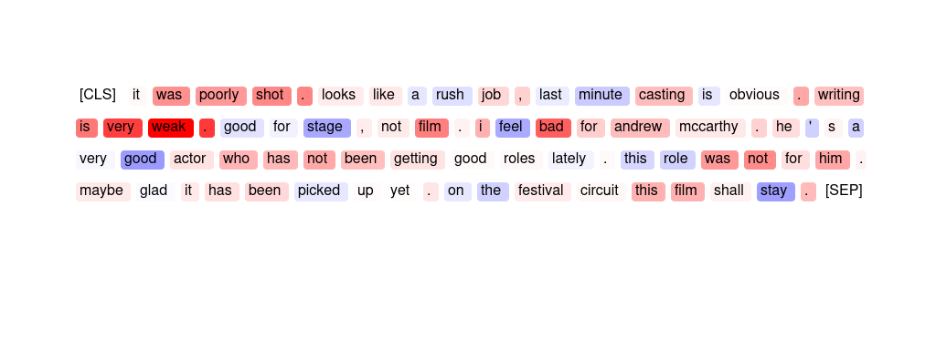
147 | ER | recycled and predictable plot . the characters are as memorable as the story line . we came in few minutes late and only saw the end of the opening scene which turned out to be a good thing since it was too intense for a 3 and a 4 year old . overall a disappointment . | disappointment memorable predictable Recycled Overall
148 | ER | the premise is rather original and well thought-of , but unfortunately , siding a good story is very low budget that doesn ' t even allow for decent special effects . jeff fahey does his best amongst a poor cast , as does the always beautiful linda hoffman . they should make more movies together . the movie , while not worth much praise , warrants at least one viewing . | low not good unfortunately poor
149 | HM | 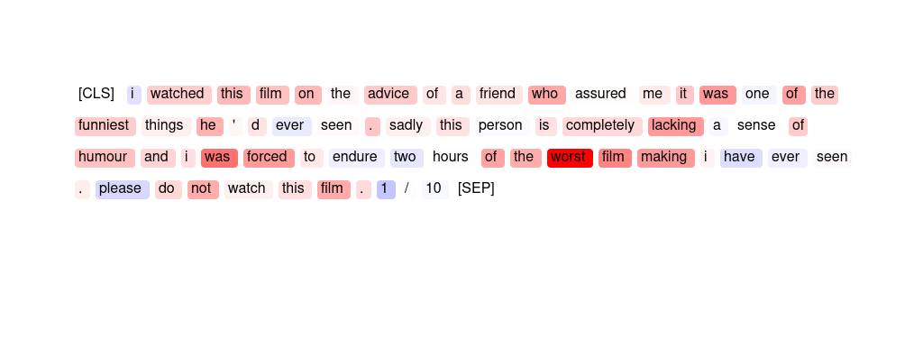
150 | HM | 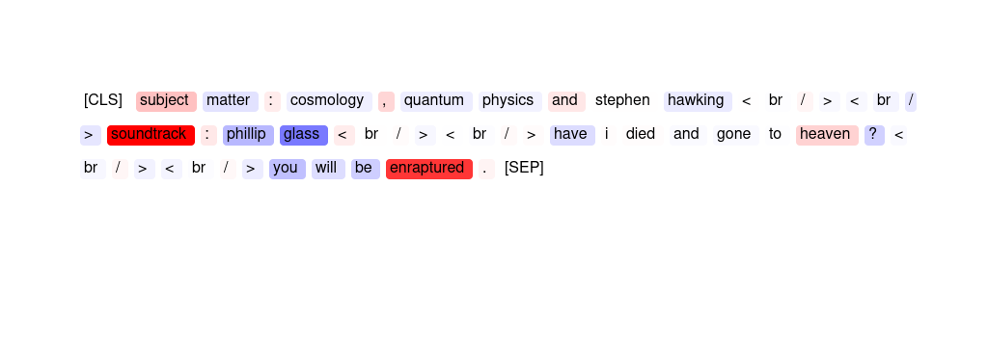
151 | ER | "beautiful coming of age romance about an english boy and french girl who run off , and grow up . < br / > < br / > i saw this movie as a teenager and loved it . i saw it again this year and loved again . < br / > < br / >" | loved loved again it Beautiful
152 | HM
153 | GPT | this is a great movie . too bad it is not available on home video . | The sentiment analyzer has predicted this movie review as '{placeholder}' because words like 'great' and 'available' have high importance scores, indicating that they contribute {placeholder} to the overall sentiment of the review. However, the negative importance score for the word 'not' suggests that there may be some {placeholder} aspects to the review as well.
154 | ER | i think that this was one of the most trite films ever made . no redeeming features at all . even my 12 - year - old son said it was laughable . may be a good candidate for the next generation of " mystery science theatre . " | trite laughable ever redeeming Even
155 | HM | 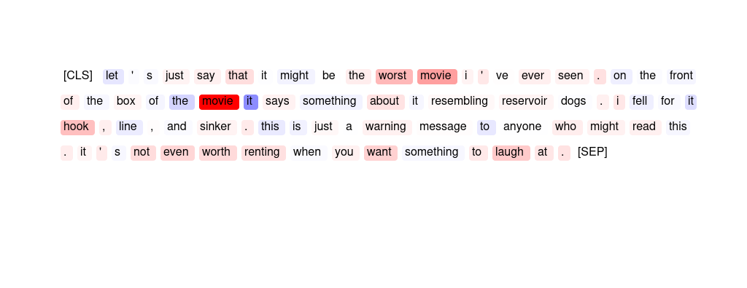
156 | HM | 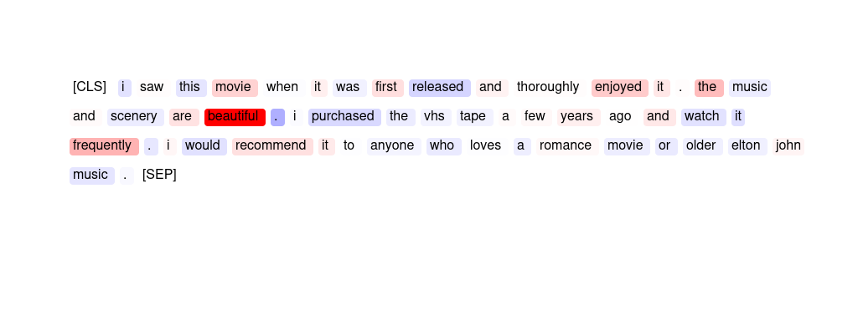
157 | SMV | i think that this was one of the most trite films ever made . no redeeming features at all . even my 12 - year - old son said it was laughable . may be a good candidate for the next generation of " mystery science theatre . " | The phrase » son said it was laughable « is most indicative for the sentiment analysis.
158 | HM | 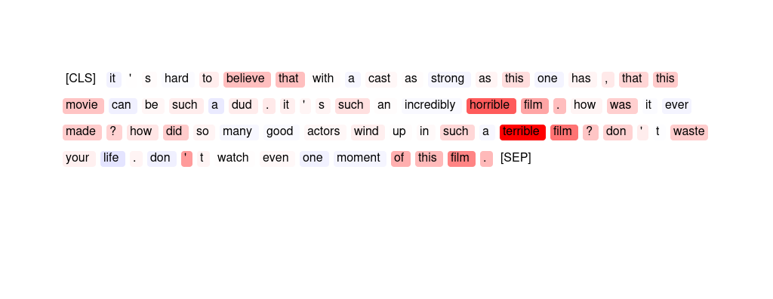
159 | GPT | i ' m not in favor of death penalties but in this movie , it couldn ' t happen fast enough . just to end the movie . i don ' t understand why this movie is rated as high as it is . it fooled me into a bad night . | The sentiment analyzer has predicted this movie review as {placeholder} because of the high importance scores for words such as 'not', 'couldn't', 'ending the movie', and 'fooling me into a bad night'. These words indicate a {placeholder} experience with the movie and contribute to the overall {placeholder} sentiment. Additionally, words with positive importance scores, such as 'death penalties' and 'highly rated', are outweighed by the negative scores.
160 | GPT | "not a film of entertainment , but of real lives & limited ambition for the working class in 60 ' s . enjoyable because of my upbringing , not sure it ' d work for most people . typical loach . full of tv actors / actresses of 70 ' s / 80 ' s / 90 ' s ." | The sentiment analyzer has predicted this movie review as '{placeholder}' because of the high importance scores given to the words 'enjoyable' (2.34) and 'tv actors/actresses' (0.31/0.1). Additionally, the words 'working class' (0.12) and 'upbringing' (0.29) have also contributed to the {placeholder} sentiment. However, the negative importance scores given to words such as 'limited ambition' (-0.11) and 'entertainment' (-0.4) suggest that the sentiment analyzer may have missed some of the {placeholder} aspects of the review. Overall, the {placeholder} sentiment seems to be based on personal preference and familiarity with the movie's setting and characters.

AG News (News topic classificat
Sort | Type | Input Text | Explanation | What does the model predict? | How helpful do you find the explanation for guessing the model prediction? 1 (not helpful) - 7 (very helpful) | How easy is the explanation to understand? 1 (very difficult) - 7 (very easy)
1 | HM
2 | HM
3 | HM | 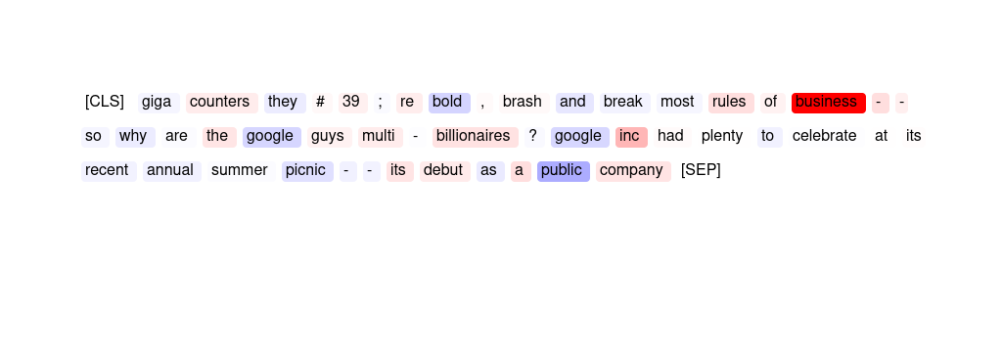
4 | GPT | "oil rallies to new record high crude oil futures rallied late friday to a new record high of \ $ 54 . 90 , a day after a decline in the us inventory of heating oil roiled a market already on edge over tight supplies , high demand and unrest among key producers ." | The importance scores show that the words 'oil', 'record high', 'futures', 'market', 'supplies', 'demand', and 'producers' have higher scores, indicating that they are more important in predicting the '{placeholder}' topic. This suggests that the article is likely discussing the {placeholder} implications of the oil market, including supply and demand dynamics and the impact on producers.
5 | SMV | "firefox roars from the gates tuesday , november 9 , 2004 will likely go down in the history books as the day the browser wars officially started . obviously things happened before today to get us to the point where there was a real , legitimate" | The words » browser « and » firefox « are most important for the prediction. The phrase » as the « is also salient.
6 | GPT | "ancient fungus ' revived ' in lab fungus from a deep - sea sediment core that is hundreds of thousands of years old will grow when placed in culture , scientists discover ." | The importance scores suggest that the article contains {placeholder} information, as words such as "lab", "culture", and "scientists" have higher importance scores. Additionally, the mention of a "revived" ancient fungus and its ability to grow in culture also suggest a {placeholder} discovery. The topic classifier likely predicted this article as '{placeholder}' based on these indicators.
7 | HM
8 | HM
9 | SMV | will hutton there were two stories last week that will have world - shaping implications . the first was in a paris hospital and a compound in ramallah . | The word » hutton « is most important for the prediction. The phrase » paris hospital « is also salient.
10 | HM
11 | GPT | "two michigan state receivers arrested on bomb - making charges two michigan state football players have been charged with planting homemade bombs outside apartments . terry love and irving campbell , both 19 - year - old redshirt freshmen wide receivers" | The importance scores suggest that the article is about Michigan State football players being charged with planting bombs outside apartments. While the scores for "football" and "players" are the highest, the scores for "receivers" and "arrested" are also high, indicating that the topic of football players being arrested is important in this article. Therefore, the topic classifier likely predicted this news article as '{placeholder}' because it involves football players from Michigan State University.
12 | GPT | fleet center to be reunion arena it has all the gossipy intrigue and social awkward ness of seating the still - respected ex - wife and the sexy new girlfriend at the same table for a family wedding . | The importance scores suggest that the news article contains some information related to {placeholder}, such as the mention of a fleet, a reunion arena, and gossip. However, the scores also suggest that there are elements of social awkwardness and family drama, which may not typically be associated with {placeholder} news. Overall, it is difficult to determine with certainty why the topic classifier predicted this article as '{placeholder}' based solely on the importance scores.
13 | GPT | boston archbishop reveals anguish of closings boston boston # 39 ; s archbishop is telling catholics that the church # 39 ; s financial footing is quot ; much worse than people realize . | The importance scores suggest that the {placeholder} situation of the church is a significant factor in this news article, with the words "financial" and "footing" receiving high importance scores. Additionally, the word "closing" suggests that there may be {placeholder}-related decisions being made regarding the church's operations. Therefore, the topic classifier likely predicted this news article as '{placeholder}' due to the focus on {placeholder} and operational aspects of the church.
14 | HM | 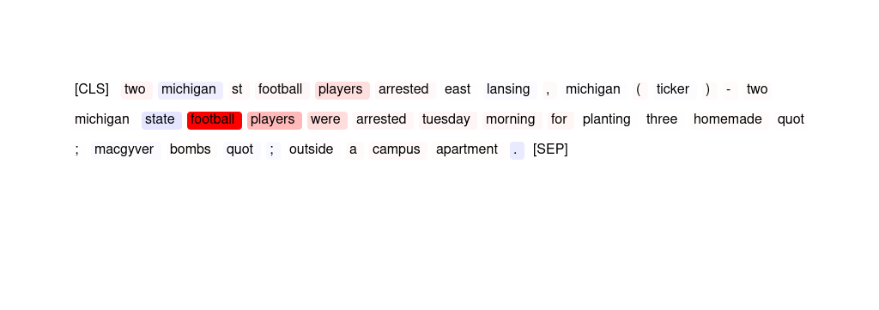
15 | SMV | "science counts species on brink a list of 15 , 000 species threatened with extinction - many of them by human activity - is published ." | The words » published «, » threatened « and » extinction « are the top three most important features for the model.
16 | HM | 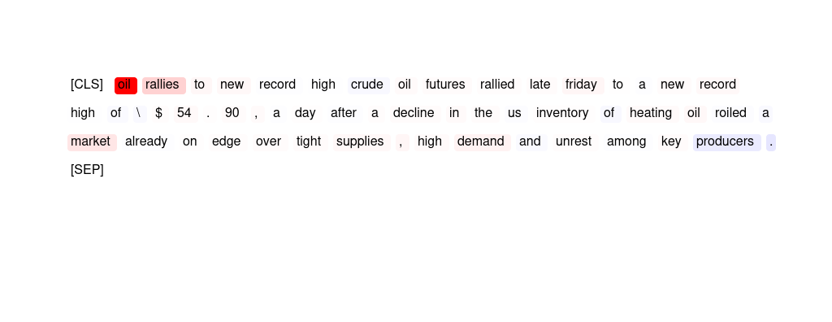
17 | HM | 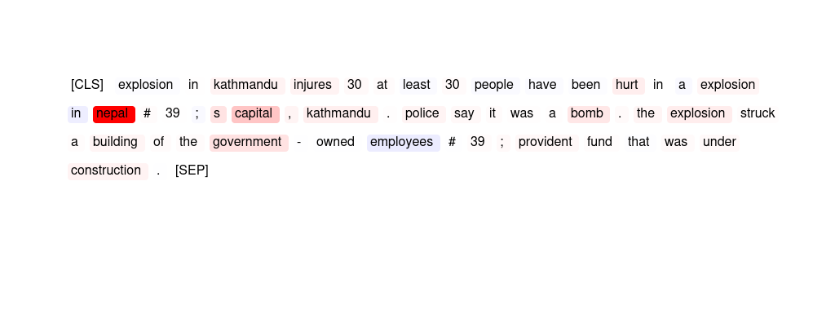
18 | SMV | "insurance giant to export 1 , 100 jobs to india one of the countrys biggest insurance firms today announced plans to transfer more than 1 , 100 jobs to india over the next few years , sparking fears of a crisis in the uk ." | The words most important in this article are » jobs «, » firms « and » india «.
19 | GPT | "local knowledge produced benefits patriots fans had one of their own working sunday ' s regular - season finale against the 49ers . fox producer p . t . navarro considers himself a new englander , even though he moved around the country as the son of college football coach frank navarro ( columbia , wabash , princeton ) ." | The importance scores indicate that the article is related to football, specifically the New England Patriots' regular season finale against the San Francisco 49ers. The mention of a Fox producer and a football coach further support the {placeholder} topic. The high importance score for "football" and "coach" also suggest that this article is likely related to {placeholder}.
20 | SMV | trojan horse drives spam into cell phones infected computers send out a slew of unwanted text messages , a security firm says . | The two phrases » cell phones « and » text messages « are salient for the model prediction.
21 | SMV | "google shares released for sale employees and some investors in google will be able to sell shares in the company as the latest "" lockup "" phase on sales ends ." | The words » google « and » sales « are most important for the prediction, but punctuation is also salient.
22 | HM
23 | HM
24 | HM | 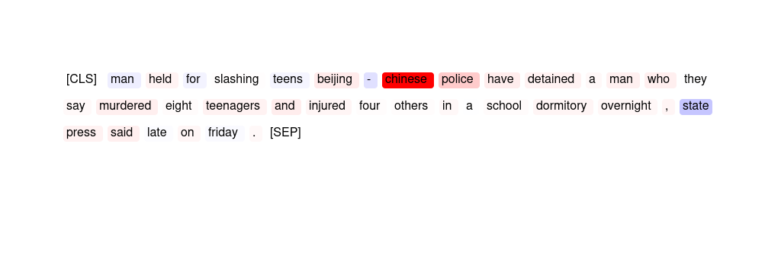
25 | HM | 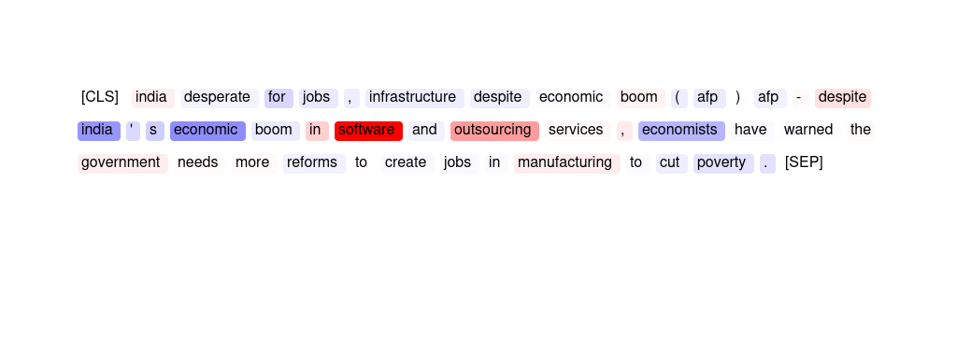
26 | GPT | "peoplesoft down on testimony , forecast investors react to a disappointing earnings projection and to testimony that dampens hopes of negotiations with oracle ." | The importance scores indicate that the article is primarily focused on investors reacting to a disappointing earnings projection and testimony that dampens hopes of negotiations with Oracle. The words "earnings" and "investors" have the highest importance scores, suggesting that this article is related to the {placeholder} performance of a company and its impact on investors. Therefore, the topic classifier predicted this news article as '{placeholder}'.
27 | GPT | "two michigan st football players arrested east lansing , michigan ( ticker ) - two michigan state football players were arrested tuesday morning for planting three homemade quot ; macgyver bombs quot ; outside a campus apartment ." | The words "michigan," "st," "football," and "players" all have positive importance scores, indicating that the presence of these words strongly suggests a {placeholder}-related topic. Additionally, the words "arrested" and "east lansing" have moderate importance scores, which may suggest that these players were involved in some kind of legal issue related to their {placeholder}. Overall, the combination of these words likely led the topic classifier to predict this article as being related to {placeholder}.
28 | HM | 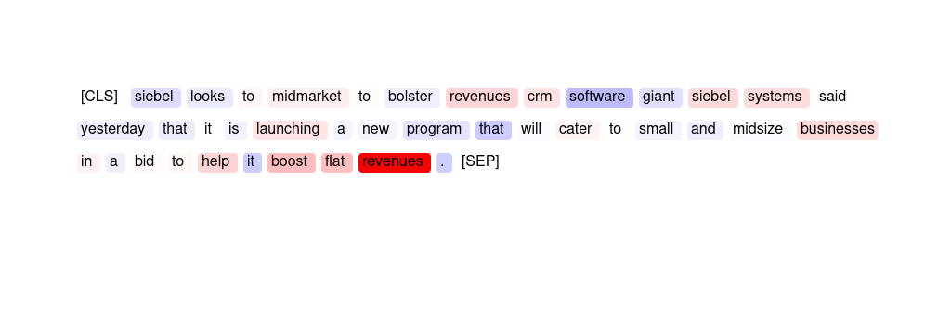
29 | GPT | "firefox roars from the gates tuesday , november 9 , 2004 will likely go down in the history books as the day the browser wars officially started . obviously things happened before today to get us to the point where there was a real , legitimate" | The topic classifier predicted this news article as '{placeholder}' based on the high importance score of the word "browser" (5.57), which suggests that the article is likely discussing {placeholder} or software related to web browsing. Additionally, the words "fire" (2.24) and "history" (0.31) may also suggest a significant event or development in {placeholder}.
30 | SMV | "ancient fungus ' revived ' in lab fungus from a deep - sea sediment core that is hundreds of thousands of years old will grow when placed in culture , scientists discover ." | The phrase » sea sediment « and punctuation were important to the model in making this decision.
31 | HM | 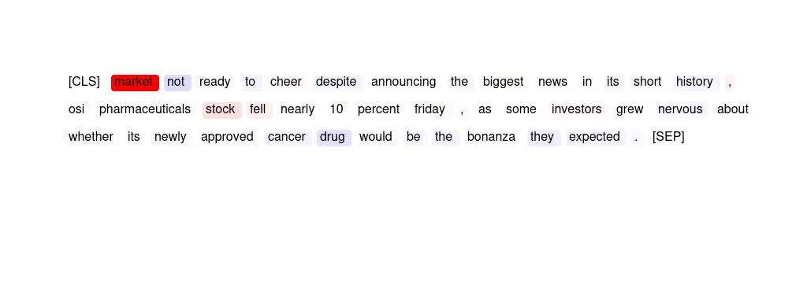
32 | SMV | american deaths the pentagon has released the names of the following us service members killed recently in iraq : | The phrase » in iraq « is most important for the prediction.
33 | HM | 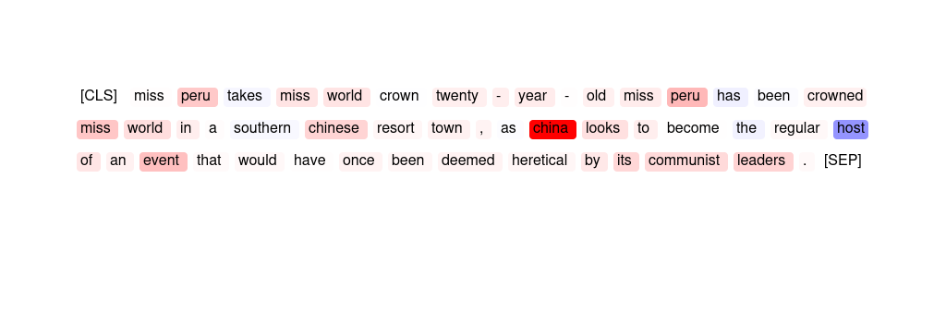
34 | SMV | "oil rallies to new record high crude oil futures rallied late friday to a new record high of \ $ 54 . 90 , a day after a decline in the us inventory of heating oil roiled a market already on edge over tight supplies , high demand and unrest among key producers ." | The two words » market « and » demand « are most important for the prediction. Punctuation is also salient.
35 | SMV | economy grows at a 3 . 7 percent rate in 3 q the us economy grew at a 3 . 7 percent annual rate in the third quarter - a pace that was slightly better than in the spring but not as strong as many analysts expected . | The top three most important words are » grew «, » analysts « and » annual «.
36 | SMV | "refugees # 39 ; hopes for return will outlive arafat beirut , lebanon - yasser arafat promised palestinians he would return them to the homes they lost when israel was founded in 1948 ." | The phrases » lost when israel « and » palestinians he « are most important for the prediction.
37 | HM | 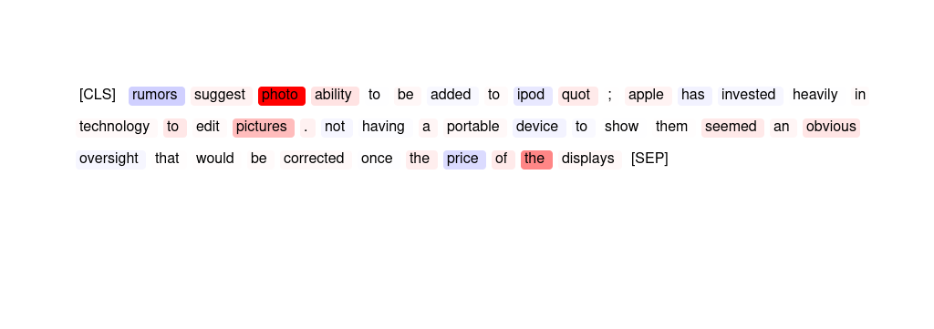
38 | GPT | new york unveils last , best bid to gain the olympics in 2012 leaders of the nyc2012 committee highlighted new york ' s advantages in multiculturalism , money and media power . | The importance scores indicate that the article is mainly about New York's bid to host the Olympics in 2012, which is a significant {placeholder} event. The words "Olympics" and "sports" are highly important, while words related to money and media power are less important. Overall, the article is focused on the {placeholder} aspect of New York's bid for the Olympics, which is why the topic classifier predicted it as '{placeholder}'.
39 | SMV | a bit of wall st . on the tigris the 150 brokers and traders on the iraq stock exchange are not waiting for the war to end , buying and selling orders a few hundred yards away from the fighting . | The word » iraq « and the phrase » and traders on « are both important for the model's decision.
40 | HM | 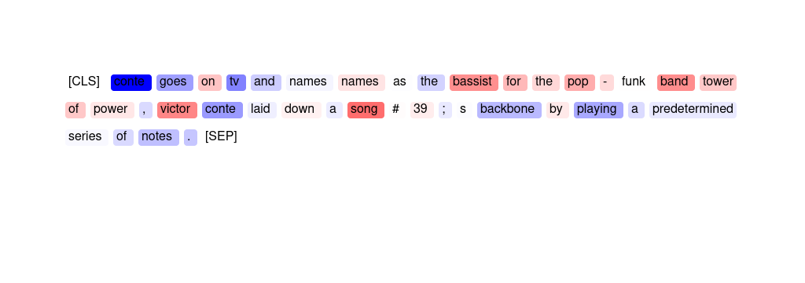
41 | SMV | "two michigan state receivers arrested on bomb - making charges two michigan state football players have been charged with planting homemade bombs outside apartments . terry love and irving campbell , both 19 - year - old redshirt freshmen wide receivers" | The phrase » football players have been charged « is most important with the word » campbell « also being salient.
42 | SMV | "new video of care hostage released iraq kidnap victim margaret hassan # 39 ; s three sisters , from left to right : catherine fitzsimons , deidre fitzsimons and geraldine fitzsimons make a statement to the media in dublin tuesday , nov . 2 , 2004 ." | The phrase » hostage released iraq kidnap victim margaret hassan « is the most important feature in predicting this label.
43 | GPT | bad weather blamed for indon crash bad weather was the main cause of an accident which killed 26 people aboard an airplane whose spoiler did not work well , indonesian investigators said today . | The importance scores suggest that the news article is about an airplane crash in Indonesia that killed 26 people. The main cause of the crash was bad weather, which is a {placeholder} issue that could potentially affect people {placeholder}. Additionally, the fact that investigators are involved suggests that it is a significant event that has garnered international attention. Therefore, the topic classifier predicted this news article as '{placeholder}'.
44 | HM | 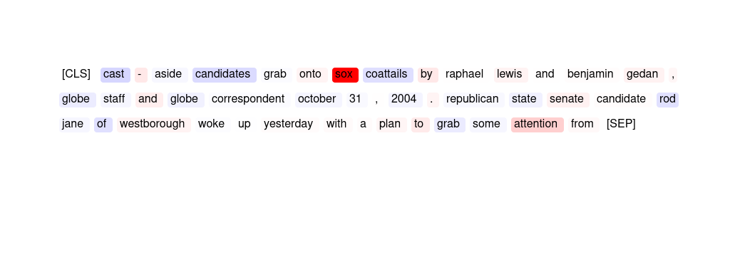
45 | GPT | "the unfolding uniform pakistan is inherently unstable . dealing with them is like playing with matches in a forest . - larry pressler . that statement from larry pressler , made during his recent visit to india , coincided with" | The word "Pakistan" has the highest importance score of 6.22, indicating that it is a significant factor in the topic classifier's prediction of '{placeholder}'. Additionally, the words "unstable" and "inherently" have positive importance scores, suggesting that the topic of instability in Pakistan may be relevant to the '{placeholder}' topic. Larry Pressler's statement during his visit to India is also mentioned, which could further contribute to the article's relevance to {placeholder}.
46 | HM | 
47 | GPT | "refugees # 39 ; hopes for return will outlive arafat beirut , lebanon - yasser arafat promised palestinians he would return them to the homes they lost when israel was founded in 1948 ." | The words "refugees", "return", "Beirut", "Lebanon", "promised", "Palestinians", "Israel", and "founded" have relatively high importance scores, indicating that the article is likely discussing {placeholder}. Additionally, the mention of "homes" and "lost" suggests that there may be displacement or conflict involved, further supporting the prediction of a {placeholder} topic.
48 | HM | 
49 | SMV | markets celebrate bush victory wall street threw a victory rally for president bush today , driving up the entire market - - especially the stocks that investors believe will benefit from even more dominant republican control of the federal government . | The top three most important words in this article are » market «, » investors « and » from «.
50 | SMV | "profit plunges at international game tech international game technology , the world # 39 ; s biggest maker of slot machines , tuesday said said profit for its latest quarter fell 50 percent from a year ago due to a charge for early redemption of debt and a tax adjustment ." | » profit « and » tax « are the two words most important for the prediction.
51 | HM | 
52 | GPT | producer price surge fuels inflation fears producer prices surged 1 . 7 percent in october , their sharpest monthly increase in nearly 15 years . | The importance scores suggest that the surge in producer prices is the most significant factor in this news article, with a score of 2.29. This is followed by the monthly increase in producer prices, which has not been seen in nearly 15 years, with a score of 0.23. These factors are both related to {placeholder}, which is likely why the topic classifier predicted this article as '{placeholder}'.
53 | SMV | new york unveils last , best bid to gain the olympics in 2012 leaders of the nyc2012 committee highlighted new york ' s advantages in multiculturalism , money and media power . | The phrase » the olympics in 2012 « is most important for the prediction.
54 | SMV | "video game leaked on internet halo 2 , one of the most anticipated video games of the year , got an early release date , but not the way fans or its publisher , microsoft , had hoped ." | » video « and » internet « are both salient words for shaping the model's outcome. Punctuation is also an important feature.
55 | GPT | trojan horse drives spam into cell phones infected computers send out a slew of unwanted text messages , a security firm says . | The topic classifier predicted this news article as '{placeholder}' because words such as "trojan", "cell phones", "infected computers", "text messages", and "security firm" received high importance scores, indicating that the article is related to {placeholder} and cybersecurity.
56 | HM | 
57 | GPT | "science counts species on brink a list of 15 , 000 species threatened with extinction - many of them by human activity - is published ." | The importance scores suggest that the article is related to {placeholder}, with a focus on species and their threat of extinction due to human activity. The word "published" also indicates that there may be {placeholder} research or findings presented in the article. Overall, the importance scores align with the '{placeholder}' topic, which is likely why the topic classifier made this prediction.
58 | SMV | "local knowledge produced benefits patriots fans had one of their own working sunday ' s regular - season finale against the 49ers . fox producer p . t . navarro considers himself a new englander , even though he moved around the country as the son of college football coach frank navarro ( columbia , wabash , princeton ) ." | The phrase » football coach frank « is most important for the prediction, while the word » he « is also salient.
59 | HM | 
60 | GPT | "google targets software giant seattle - - not too long ago , google inc . seemed little more than a pe sky insect to microsoft corp . ' s 800 - pound gorilla ." | The topic classifier predicted this news article as '{placeholder}' because the words 'google', 'software', 'giant', and 'inc' received high importance scores, suggesting that the article is related to {placeholder} and possibly {placeholder}. Additionally, the word 'seattle' received a low importance score, which may indicate that the article is not focused on local news or events. Overall, the importance scores suggest that the article is likely to be about a {placeholder}-related topic.
61 | HM | 
62 | HM
63 | SMV | "india desperate for jobs , infrastructure despite economic boom ( af p ) af p - despite india ' s economic boom in software and outs our cing services , economists have warned the government needs more reforms to create jobs in manufacturing to cut poverty ." | The phrase » in software « is most important for the outcome.
64 | SMV | "google shows it 39 ; s only human shares of google slipped after the search engine warned , for the second time in a week , that its fourth - quarter revenue growth rate is likely to slow from previous quarters ." | The phrase » revenue growth rate « as well as the word » shows « are salient features in this article.
65 | GPT | markets celebrate bush victory wall street threw a victory rally for president bush today , driving up the entire market - - especially the stocks that investors believe will benefit from even more dominant republican control of the federal government . | The importance scores indicate that the article is primarily focused on the markets and their reaction to President Bush's victory, with a strong emphasis on stocks that investors believe will benefit from Republican control of the federal government. This aligns with the topic of '{placeholder}' and likely influenced the topic classifier's prediction.
66 | HM | 
67 | GPT | madrid miffed ! the organisers of madrid 's bid complained that paris had broken the rules by using france ' s embassies in oslo and kuwait to hold events to promote its candidacy , the newspaper said . | The topic classifier predicted this news article as '{placeholder}' because of the high importance scores associated with words such as "Paris," "France," and "Kuwait," indicating that the article contains information about events happening in different parts of {placeholder}. Additionally, the mention of Madrid and the complaint about Paris breaking rules suggest {placeholder} or dispute, further supporting the '{placeholder}' topic classification.
68 | SMV | "explosion in kathmandu in jure s 30 at least 30 people have been hurt in a explosion in nepal 39 ; s capital , kathmandu . police say it was a bomb . the explosion struck a building of the government - owned employees 39 ; provide nt fund that was under construction ." | The phrase » nepal # 39 ; s capital « is most salient. The word » government « is also salient for the model to choose this label.
69 | GPT | rumors suggest photo ability to be added to ipod quo t ; apple has invested heavily in technology to edit pictures . not having a portable device to show them seemed an obvious oversight that would be corrected once the price of the displays | The importance scores suggest that the article discusses {placeholder} related to editing pictures, specifically the ability to add photos to an iPod. The mention of Apple investing heavily in this {placeholder} also supports the '{placeholder}' prediction.
70 | GPT | "explosion in kathmandu in jure s 30 at least 30 people have been hurt in a explosion in nepal 39 ; s capital , kathmandu . police say it was a bomb . the explosion struck a building of the government - owned employees 39 ; provide nt fund that was under construction ." | The importance scores suggest that the main event of the news article is an explosion in Kathmandu, Nepal, which resulted in at least 30 people being hurt. The words "government-owned," "employees," and "construction" suggest that the explosion occurred at a government building under construction. The high importance score for "Nepal" and the hashtag "#39" suggest that this event is specific to Nepal and not related to any other country. Overall, the importance scores suggest that this news article is relevant to the '{placeholder}' topic because it reports on a significant event that occurred in a specific country.
71 | GPT | oil falls to 4 - month low on signs of heating - oil supply rise crude oil fell to the lowest in more than four months on speculation that warm weather and increased refinery production bo lster ed us heating - oil stock pile s last week . | The topic classifier predicted this news article as '{placeholder}' because of the high importance scores of words such as 'oil', 'supply', 'crude', 'production', and 'stockpile', which are all related to the oil industry and its impact on {placeholder}. Additionally, the mention of speculation and signs of heating also suggest a potential impact on {placeholder}.
72 | SMV | "cocoa prices down but ivorian exports still blocked world cocoa prices were down on tuesday but off the day # 39 ; s lows as exports remained on hold after mob violence and military clashes in ivory coast , the key global supplier , traders said ." | The model predicted this label, because the phrase » cocoa prices « and the word » exports « appeared in the article.
73 | GPT | will tellabs push its luck ? perhaps the optical network supplier should call off its merger with afc .,The word » afc « is most important for the prediction. | The importance scores suggest that the merger between an optical network supplier and AFC is significant, with the word "AFC" having the highest importance score. This could indicate that the article is discussing a {placeholder} development or {placeholder} deal in the {placeholder} industry, supporting the topic classifier's prediction of '{placeholder}'.
74 | HM | 
75 | SMV | "peoplesoft down on testimony , forecast investors react to a disappointing earnings projection and to testimony that dampens hopes of negotiations with oracle ." | The word » investors « is most important for the prediction. The word » earnings « is also salient.
76 | SMV | wells fargo computers stolen identity thieves may have obtained information on thousands of wells fargo mortgage and student loan customers . | The phrase » loan customers « and the word » mortgage « are the most important features.
77 | HM | 
78 | HM | 
79 | GPT | "profit plunges at international game tech international game technology , the world # 39 ; s biggest maker of slot machines , tuesday said said profit for its latest quarter fell 50 percent from a year ago due to a charge for early redemption of debt and a tax adjustment ." | The topic classifier predicted this news article as '{placeholder}' because of the high importance scores associated with words such as 'profit', 'quarter', and 'fell', indicating that the article is discussing {placeholder} performance. Other important words such as 'maker', 'slot machines', and 'redemption of debt' suggest that the article is specifically about a company's {placeholder} performance in the gambling industry.
80 | GPT | "cocoa prices down but ivorian exports still blocked world cocoa prices were down on tuesday but off the day # 39 ; s lows as exports remained on hold after mob violence and military clashes in ivory coast , the key global supplier , traders said ." | The topic classifier predicted this news article as '{placeholder}' because of the high importance scores for the words 'cocoa' and 'prices', which are key indicators in the commodity trading industry. The article discusses the decline in cocoa prices and the impact on {placeholder} suppliers and traders, which are relevant to {placeholder}. Additionally, the mention of exports being blocked and military clashes in Ivory Coast, a major cocoa supplier, further emphasizes the {placeholder} implications of the news.
81 | SMV | "palm one , microsoft set software pact palm one inc . , the leading maker of handheld computers , said tuesday it licensed microsoft corp . software that enables secure delivery of corporate e - mail to portable devices ." | » pact palm « and » delivery « are both important for the prediction.
82 | SMV | boston archbishop reveals anguish of closings boston boston # 39 ; s archbishop is telling catholics that the church # 39 ; s financial footing is quot ; much worse than people realize . | The phrases » financial footing « and » telling catholics « are both salient with respect to the model's prediction.
83 | GPT | plea for kidnapped aid worker meets with silence charity workers were still facing an agonising wait for news of iraq aid worker margaret hassan tonight after a televised plea to her kidnappers was met with silence . | The topic classifier predicted this news article as '{placeholder}' because the word 'Iraq' has the highest importance score of 6.98, indicating that it is the most important word in the article for predicting the topic. Other words with relatively high importance scores such as 'aid' and 'kidnap' also suggest that the article is related to {placeholder} events and conflicts, which are often covered in the '{placeholder}' section of news outlets.
84 | HM | 
85 | HM | 
86 | GPT | "new video of care hostage released iraq kidnap victim margaret hassan # 39 ; s three sisters , from left to right : catherine fitzsimons , deidre fitzsimons and geraldine fitzsimons make a statement to the media in dublin tuesday , nov . 2 , 2004 ." | The importance scores indicate that the news article is about a hostage released in Iraq, which has a high score of 8.05. The words "kidnap" and "victim" also have high scores, suggesting that the article is about a kidnapping incident. The names "Margaret Hassan" and "Iraq" also have high scores, further indicating that the article is related to a significant event in the country. These factors likely led the topic classifier to predict the article as '{placeholder}'.
87 | SMV | "giga counters they # 39 ; re bold , brash and break most rules of business - - so why are the google guys multi - billionaires ? google inc had plenty to celebrate at its recent annual summer picnic - - its debut as a public company" | The phrase » rules of business - - « is most important for the prediction, but the word » inc « is also salient.
88 | GPT | conte goes on tv and names names as the bassist for the pop - funk band tower of power , victor conte laid down a song 's backbone by playing a predetermined series of notes . | The importance scores do not provide a clear indication as to why the topic classifier predicted this news article as '{placeholder}'. Some words such as 'pop', 'funk', 'song', and 'playing' have positive scores, which could suggest a music-related article. However, other words such as 'con', 'te', 'tv', and 'bassist' have negative or neutral scores, which do not necessarily relate to {placeholder}. Overall, the importance scores do not provide a clear justification for the topic classifier's prediction.
89 | GPT | "uconn awaiting invite to motor city bowl theres still one more domino to fall , but today the university of connecticut football team is expected to be invited and accept an invitation to play in the motor city bowl in detroit on dec . 27 ." | The words "football," "team," and "play" have high importance scores, indicating that they are strongly associated with the topic of {placeholder}. Additionally, the mention of the University of Connecticut's football team being invited to play in a bowl game further supports the {placeholder} topic classification.
90 | GPT | "google shows it 39 ; s only human shares of google slipped after the search engine warned , for the second time in a week , that its fourth - quarter revenue growth rate is likely to slow from previous quarters ." | The importance scores indicate that the article is focused on the {placeholder} performance of Google. The words "revenue growth rate" and "quarters" have high importance scores, suggesting that the article is discussing {placeholder} metrics. Additionally, the word "warned" has a positive importance score, indicating that it is likely discussing a potential issue or problem in {placeholder}. Overall, the importance scores suggest that this article is focused on {placeholder} news, which aligns with the topic classifier's prediction.
91 | GPT | webcrawler : a9 . com is cool now heres something else thats off the mind . theres no more need to make mental or computer notes while searching the internet . | The words "web," "com," "computer," and "internet" have high importance scores, indicating that they are strongly associated with the '{placeholder}' topic. Additionally, the words "searching" and "make" also have positive scores, suggesting that the article may be discussing {placeholder} related to internet search or note-taking.
92 | HM | 
93 | HM | 
94 | SMV | "two michigan st football players arrested east lansing , michigan ( ticker ) - two michigan state football players were arrested tuesday morning for planting three homemade quot ; macgyver bombs quot ; outside a campus apartment ." | » football players were arrested tuesday « is most important for the prediction, while the second occurrence of » players « is also salient.
95 | SMV | zooks gets a five - year deal champaign , ill . - - ron zook took over illinois' struggling football program tuesday , returning to his roots and promising to turn around a team that has sunk to the bottom of the big ten since winning a league title in 2001 . | The phrases » struggling football program « and » league title « as well as the word » team « are important.
96 | HM | 
97 | GPT | siebel looks to midmarket to bolster revenues crm software giant siebel systems said yesterday that it is launching a new program that will cater to small and midsize businesses in a bid to help it boost flat revenues . | The topic classifier predicted this news article as '{placeholder}' because the words 'mid-market', 'revenues', 'software giant', 'systems', 'small', 'businesses', 'boost', and 'flat revenues' received high importance scores, indicating that the article discusses a {placeholder}-related topic, specifically about a software company launching a new program to help small and mid-sized {placeholder} improve their revenues.
98 | SMV | "ibm posts broad q3 revenue growth new york - ibm corp . posted quarterly results on monday showing 9 percent revenue growth from last year and slight earnings growth , despite a \ $ 320 million charge it took during the quarter to settle some claims in a lawsuit over its pension plan ." | The phrase » revenue growth « is most important for the prediction and the second appearance of » growth « is also salient.
99 | HM | 
100 | GPT | economy grows at a 3 . 7 percent rate in 3 q the us economy grew at a 3 . 7 percent annual rate in the third quarter - a pace that was slightly better than in the spring but not as strong as many analysts expected . | The topic classifier predicted this news article as '{placeholder}' because words related to {placeholder}, growth rate, and analysts were given high importance scores, indicating that the article likely contains information about the {placeholder} sector.
101 | SMV | "times to scrap broadsheet edition the times is to scrap its broadsheet edition and go tabloid from monday , it was confirmed today . the decision was made after a trial run of the compact edition proved a success , said editor robert thomson ." | The phrase » compact edition « and the word » tabloid « are influential for the model's prediction.
102 | GPT | "face time , im logic back live communications server 2005 hard on the heels of microsoft announcing that it 39 ; s taken live communications server 2005 gold , instant messaging management software vendors im logic and face time on tuesday both to uted their support for the communication product ." | The topic classifier predicted this news article as '{placeholder}' because words such as "live communications server", "instant messaging", "management software", "vendors", and "communication product" have high importance scores, indicating that the article is likely discussing {placeholder} and communication products.
103 | SMV | "web still in early days , tech leaders say the internet is only in its early adolescence with a raft of improvements on the horizon , and the venture capitalists who helped fund the early boom are" | The three words most important for the outcome are » are «, » early « and » the «.
104 | GPT | "giga counters they # 39 ; re bold , brash and break most rules of business - - so why are the google guys multi - billionaires ? google inc had plenty to celebrate at its recent annual summer picnic - - its debut as a public company" | The importance scores indicate that words related to {placeholder}, such as "business" (2.2), "rules" (0.27), and "billionaire" (0.24), have high scores, while words unrelated to {placeholder}, such as "gig" (-0.03) and "google" (-0.35), have low scores. This suggests that the article contains a significant amount of information related to {placeholder}, leading the topic classifier to predict it as '{placeholder}'.
105 | GPT | "palm one , microsoft set software pact palm one inc . , the leading maker of handheld computers , said tuesday it licensed microsoft corp . software that enables secure delivery of corporate e - mail to portable devices ." | The words "palm," "Microsoft," "software," "maker," "handheld," "licensed," "delivery," "corporate," and "mail" all received positive importance scores, indicating that they were important in predicting the '{placeholder}' topic. This suggests that the article is about a {placeholder} agreement between PalmOne and Microsoft involving the licensing of software for secure delivery of corporate e-mail to handheld devices.
106 | SMV | bad weather blamed for indon crash bad weather was the main cause of an accident which killed 26 people aboard an airplane whose spoiler did not work well , indonesian investigators said today . | The words » indonesian «, » crash «, » killed « and » aboard « are most important for the prediction.
107 | HM | 
108 | GPT | "insurance giant to export 1 , 100 jobs to india one of the countrys biggest insurance firms today announced plans to transfer more than 1 , 100 jobs to india over the next few years , sparking fears of a crisis in the uk ." | The importance scores indicate that the article is focused on a large insurance company transferring jobs to India, which is a significant event in {placeholder}. The scores for "insurance," "giant," "export," "jobs," and "firms" are all relatively high, indicating that the article is discussing a major {placeholder} decision. Additionally, the negative scores for words like "fears," "crisis," and "UK" suggest that the article is discussing a potentially controversial or concerning development in {placeholder}. Overall, the importance scores support the topic classifier's prediction that this article is related to {placeholder}.
109 | GPT | silence the loose cannons the us presidential election is finally over ! now the hard part begins . i 39 ; m not talking about getting north korea back to the negotiating table ; that will come soon enough . | The importance scores suggest that the article is discussing a {placeholder} event, with a focus on the US presidential election being over and the potential for negotiations with North Korea. The high importance score for "North Korea" and the extremely high score for "Korea" suggest that this is a significant aspect of the article's discussion. Overall, the importance scores suggest that this article is discussing {placeholder} and events, supporting the topic classifier's prediction of '{placeholder}'.
110 | SMV | "face time , im logic back live communications server 2005 hard on the heels of microsoft announcing that it 39 ; s taken live communications server 2005 gold , instant messaging management software vendors im logic and face time on tuesday both to uted their support for the communication product ." | The phrase » the communication « and the word » live « are most salient.
111 | HM | 
112 | HM
113 | SMV | fleet center to be reunion arena it has all the gossipy intrigue and social awkward ness of seating the still - respected ex - wife and the sexy new girlfriend at the same table for a family wedding . | The words » center « and » wedding « are both salient.
114 | GPT | zooks gets a five - year deal champaign , ill . - - ron zook took over illinois' struggling football program tuesday , returning to his roots and promising to turn around a team that has sunk to the bottom of the big ten since winning a league title in 2001 . | The words "football", "program", "team", "league", and "title" have high importance scores, indicating that they are strongly associated with the topic of {placeholder}. The article is about the hiring of a new coach for a struggling football program, which confirms the topic classifier's prediction.
115 | GPT | fa plan new united - arsenal talks the football association are set to wait until after the conclusion of any disciplinary action against arsene wenger before trying to broker a peace summit between arsenal and manchester united . | The words "football" and "association" have the highest importance scores, indicating that they are strongly associated with the topic of {placeholder}. Additionally, the words "arsenal" and "manchester united" have positive scores, suggesting that they are relevant to a {placeholder}-related article. Overall, the presence of these {placeholder}-related terms likely led the topic classifier to predict this article as being about {placeholder}.
116 | SMV | fa plan new united - arsenal talks the football association are set to wait until after the conclusion of any disciplinary action against arsene wenger before trying to broker a peace summit between arsenal and manchester united . | The phrase » the football association are « and the word » disciplinary « are both salient features.
117 | HM | 
118 | GPT | a bit of wall st . on the tigris the 150 brokers and traders on the iraq stock exchange are not waiting for the war to end , buying and selling orders a few hundred yards away from the fighting . | The importance scores show that the words "Iraq," "fighting," and "war" have high positive scores, while words related to {placeholder} and trading have mixed or negative scores. This suggests that the article is about the situation in Iraq, specifically the stock exchange and trading activity happening despite the ongoing conflict. Therefore, the topic classifier predicted this news article as '{placeholder}' due to its focus on {placeholder}, the conflict in Iraq.
119 | GPT | "city series - ly wounded with the yanks out of the world series , the city # 39 ; s economy loses out on at least \ $ 40 million , according to studies by the controller # 39 ; s office and other city agencies ." | The topic classifier predicted this news article as '{placeholder}' because words such as "economy," "loses," and "studies" have high importance scores, indicating that the article is discussing {placeholder} impacts. Additionally, the mention of the controller's office and other city agencies suggest a focus on {placeholder}-related matters.
120 | SMV | oil falls to 4 - month low on signs of heating - oil supply rise crude oil fell to the lowest in more than four months on speculation that warm weather and increased refinery production bo lster ed us heating - oil stock pile s last week . | The word » rise « and two occurrences of the word » oil « were influential in shaping the prediction of the classifier.
121 | SMV | silence the loose cannons the us presidential election is finally over ! now the hard part begins . i 39 ; m not talking about getting north korea back to the negotiating table ; that will come soon enough . | » i 39 ; m not talking about getting north korea back to the negotiating table « shaped the model's outcome the most.
122 | HM | 
123 | GPT | "india desperate for jobs , infrastructure despite economic boom ( af p ) af p - despite india ' s economic boom in software and outs our cing services , economists have warned the government needs more reforms to create jobs in manufacturing to cut poverty ." | The importance scores suggest that the article primarily discusses the {placeholder} boom in India's software and outsourcing services industry, which is a topic related to {placeholder}. However, the importance scores also indicate that the article discusses the need for more reforms to create jobs in manufacturing and reduce poverty, which are not necessarily related to the '{placeholder}' topic. Overall, the article may be predicted as '{placeholder}' due to its emphasis on India's {placeholder} industry.
124 | HM | 
125 | GPT | "google shares released for sale employees and some investors in google will be able to sell shares in the company as the latest "" lockup "" phase on sales ends ." | The topic classifier predicted this news article as '{placeholder}' because words like "Google", "shares", "sell", "lockup phase", and "sales" have high importance scores. These words are commonly associated with {placeholder} and {placeholder} markets, which are often covered in '{placeholder}' news.
126 | SMV | will tellabs push its luck ? perhaps the optical network supplier should call off its merger with afc .,The word » afc « is most important for the prediction. | The two words » afc « and » optical « are most important for the topic classification. The character » ? « is also salient.
127 | SMV | aol ' s viral marketing america online will now provide gratis antivirus protection to its subscribers . | The words most salient to the model are » online « and » viral «.
128 | HM | 
129 | HM
130 | GPT | "video game leaked on internet halo 2 , one of the most anticipated video games of the year , got an early release date , but not the way fans or its publisher , microsoft , had hoped ." | The importance scores indicate that the news article is related to video games and {placeholder}, with words like "video game," "internet," "Halo 2," and "Microsoft" receiving high importance scores. This aligns with the '{placeholder}' topic and likely influenced the topic classifier's prediction.
131 | GPT | "notre dame to interview utah 39 ; s meyer university of notre dame officials are apparently prepared to interview utah football coach urban meyer as early as tonight , only two days after the school fired coach tyrone willing ham after three seasons ." | The words "interview," "football," "coach," and "fired" have high importance scores, indicating that they are strongly associated with the topic of {placeholder}. Additionally, the mention of the Utah football coach and the firing of the previous coach further suggest that this article is related to {placeholder}.
132 | SMV | siebel looks to midmarket to bolster revenues crm software giant siebel systems said yesterday that it is launching a new program that will cater to small and midsize businesses in a bid to help it boost flat revenues . | The phrase » boost flat revenues « is most important for the prediction, while the word » help « is also salient.
133 | HM | 
134 | GPT | will hutton there were two stories last week that will have world - shaping implications . the first was in a paris hospital and a compound in ramallah . | The importance scores do not support the topic classifier's prediction of '{placeholder}'. None of the words have a significant positive score for '{placeholder}'. The highest score is for 'Hutton', which is likely an irrelevant entity. Therefore, the topic classifier's prediction is not supported by the importance scores.
135 | HM | 
136 | SMV | conte goes on tv and names names as the bassist for the pop - funk band tower of power , victor conte laid down a song 's backbone by playing a predetermined series of notes . | The words most salient in this article are » song «, » victor « and » band «.
137 | HM
138 | HM
139 | SMV | "man held for slashing teens beijing - chinese police have detained a man who they say murdered eight teenagers and injured four others in a school dormitory overnight , state press said late on friday ." | The phrase » chinese police have detained « is most important and the word » beijing « is also salient.
140 | HM | 
141 | SMV | "google targets software giant seattle - - not too long ago , google inc . seemed little more than a pe sky insect to microsoft corp . ' s 800 - pound gorilla ." | The phrases » gorilla . « and » little more « are both important for the prediction.
142 | SMV | madrid miffed ! the organisers of madrid 's bid complained that paris had broken the rules by using france ' s embassies in oslo and kuwait to hold events to promote its candidacy , the newspaper said . | The words most important in this article are » france «, » paris « and » candidacy «.
143 | HM | 
144 | HM | 
145 | HM
146 | SMV | "miss peru takes miss world crown twenty - year - old miss peru has been crowned miss world in a southern chinese resort town , as china looks to become the regular host of an event that would have once been deemed here tical by its communist leaders ." | The phrase » china looks to « is the most important, while words such as » peru « and » event « are also salient.
147 | HM | 
148 | GPT | millions to miss out on the net around 40 of the uk will still be without internet access at home by 2025 , warns a study by telecoms giant bt . | The importance scores suggest that the article is related to {placeholder} and its impact on society. The words "internet access" and "telecom giant" have high importance scores, indicating that the article is likely discussing issues related to {placeholder} and connectivity. Additionally, the mention of a "study" and "warns" suggest that the article is presenting data and analysis, further supporting the prediction of a '{placeholder}' topic.
149 | GPT | wells fargo computers stolen identity thieves may have obtained information on thousands of wells fargo mortgage and student loan customers . | The topic classifier predicted this news article as '{placeholder}' because of the high importance scores of 'wells', 'fargo', 'mortgage', 'student', and 'loan'. These words are commonly associated with {placeholder}, which falls under the '{placeholder}' category. Additionally, the mention of computers being stolen and identity theft also suggests a financial crime, further supporting the '{placeholder}' prediction.
150 | SMV | plea for kidnapped aid worker meets with silence charity workers were still facing an agonising wait for news of iraq aid worker margaret hassan tonight after a televised plea to her kidnappers was met with silence . | The phrases » iraq aid « and » her kidnap « are important for the prediction.
151 | GPT | "man held for slashing teens beijing - chinese police have detained a man who they say murdered eight teenagers and injured four others in a school dormitory overnight , state press said late on friday ." | The topic classifier predicted this news article as '{placeholder}' because of the importance scores of words like "Beijing", "Chinese", and "police", which suggest that the article is related to an event in China. Additionally, the high importance score of "murdered" and the mention of multiple victims indicate that this is a significant and potentially newsworthy event.
152 | SMV | "uconn awaiting invite to motor city bowl theres still one more domino to fall , but today the university of connecticut football team is expected to be invited and accept an invitation to play in the motor city bowl in detroit on dec . 27 ." | The phrase » football team is « is most important for the prediction. The word » 27 « is also salient. The word » on « is also salient.
153 | GPT | "times to scrap broadsheet edition the times is to scrap its broadsheet edition and go tabloid from monday , it was confirmed today . the decision was made after a trial run of the compact edition proved a success , said editor robert thomson ." | The importance scores suggest that the decision to switch to a compact edition was a significant factor in the article being classified as '{placeholder}'. The words 'trial', 'run', and 'success' all have high importance scores, indicating that the article may be discussing a {placeholder} advancement in the newspaper industry. Additionally, the word 'editor' has a relatively high importance score, suggesting that the article may be focused on the decision-making process behind this change.
154 | SMV | producer price surge fuels inflation fears producer prices surged 1 . 7 percent in october , their sharpest monthly increase in nearly 15 years . | The phrase » producer prices « is most indicative for the model's prediction. Punctuation is also an important feature.
155 | GPT | "space station crew moves rescue capsule the maneuver free s the hatch on the docking station that the crew members will use for work sort ies in january and march . in addition , the launch of an unmanned progress cargo ship has been postponed one day to december 24 ." | The importance scores suggest that the article is related to space {placeholder}. The words 'space', 'station', 'crew', 'rescue', 'capsule', 'maneuver', 'hatch', 'docking', 'launch', 'unmanned', 'progress', 'cargo', and 'ship' all have positive importance scores, indicating that they are associated with the '{placeholder}' topic. Additionally, the words 'work', 'sort', 'in', and 'postponed' have negative importance scores, suggesting that they are less relevant to the topic. Overall, the article seems to be discussing recent developments and changes related to space {placeholder}, which is likely why the topic classifier predicted it as '{placeholder}'.
156 | SMV | "city series - ly wounded with the yanks out of the world series , the city # 39 ; s economy loses out on at least \ $ 40 million , according to studies by the controller # 39 ; s office and other city agencies ." | The phrase » city # 39 ; s economy « is most important for the prediction. The word » on « is also salient.
157 | GPT | "ibm posts broad q3 revenue growth new york - ibm corp . posted quarterly results on monday showing 9 percent revenue growth from last year and slight earnings growth , despite a \ $ 320 million charge it took during the quarter to settle some claims in a lawsuit over its pension plan ." | The topic classifier predicted this news article as '{placeholder}' because words such as "revenue growth," "quarterly results," "earnings growth," "lawsuit," "pension plan," and "IBM Corp" were deemed important for the classification. These words are commonly associated with {placeholder} news and therefore the classifier predicted the article to be related to the {placeholder} topic.
158 | SMV | "cast - aside candidates grab onto sox coattails by raphael lewis and benjamin gedan , globe staff and globe correspondent october 31 , 2004 . republican state senate candidate rod jane of westborough woke up yesterday with a plan to grab some attention from" | The phrase » onto sox coat « is most salient for the model prediction, but the word » attention « and the phrase » by raphael « are also important.
159 | HM | 
160 | HM | 
161 | HM | 
162 | HM | 
163 | GPT | aol ' s viral marketing america online will now provide gratis antivirus protection to its subscribers . | The words "viral marketing," "online," "anti-virus," and "protection" have high importance scores, indicating a focus on {placeholder} and possibly cybersecurity. This aligns with the '{placeholder}' topic, leading the classifier to predict it as such.
164 | GPT | "cast - aside candidates grab onto sox coattails by raphael lewis and benjamin gedan , globe staff and globe correspondent october 31 , 2004 . republican state senate candidate rod jane of westborough woke up yesterday with a plan to grab some attention from" | The only word with a high importance score is "sox", which is likely referring to a {placeholder} team (such as the Boston Red Sox). However, the importance scores for the other words are mostly negative, indicating that they are not relevant to the '{placeholder}' topic. Therefore, it is possible that the topic classifier made an incorrect prediction based on the limited information provided in this excerpt.
165 | HM | 
166 | SMV | rumors suggest photo ability to be added to ipod quo t ; apple has invested heavily in technology to edit pictures . not having a portable device to show them seemed an obvious oversight that would be corrected once the price of the displays | The phrase » suggest photo ability « is most important for the prediction, while » the « is also salient.
167 | HM | 
168 | SMV | "the unfolding uniform pakistan is inherently unstable . dealing with them is like playing with matches in a forest . - larry pressler . that statement from larry pressler , made during his recent visit to india , coincided with" | The word » pakistan « and the phrase » inherently unstable « shaped the model's outcome.
169 | GPT | market not ready to cheer despite announcing the biggest news in its short history , osi pharmaceuticals stock fell nearly 10 percent friday , as some investors grew nervous about whether its newly approved cancer drug would be the bonanza they expected . | The importance scores indicate that the article is related to the market and pharmaceuticals industry, with a focus on a newly approved cancer drug. The drop in stock prices is also mentioned, which suggests a {placeholder} aspect to the news. These factors likely led the topic classifier to predict this article as '{placeholder}'.
170 | SMV | market not ready to cheer despite announcing the biggest news in its short history , osi pharmaceuticals stock fell nearly 10 percent friday , as some investors grew nervous about whether its newly approved cancer drug would be the bonanza they expected . | The phrase » stock fell « is most important for the prediction. Punctuation and the word » investors « are also salient.
171 | GPT | "web still in early days , tech leaders say the internet is only in its early adolescence with a raft of improvements on the horizon , and the venture capitalists who helped fund the early boom are" | The importance scores show that the words "web" and "tech" were highly important for the topic classifier to predict this news article as '{placeholder}'. Additionally, the mention of "improvements on the horizon" and "venture capitalists" who helped fund the "early boom" suggest a focus on {placeholder} advancements and innovation, further supporting the '{placeholder}' prediction.
172 | GPT | american deaths the pentagon has released the names of the following us service members killed recently in iraq : | The topic classifier predicted this news article as '{placeholder}' because the word "Iraq" has a very high importance score of 4.65, indicating that it is the most significant word in the article for predicting a {placeholder}-related topic. Additionally, other words such as "service members" and "killed" also have high importance scores, suggesting that the article is likely about a significant event or tragedy related to the military or {placeholder} conflict.
173 | GPT | blair calls for world to unite prime minister tony blair tried to bridge the trans-atlantic rift over iraq , urging a " fractured , divided and uncertain " world to unite in the wake of president bush 's election victory . | The topic classifier predicted this news article as '{placeholder}' because words such as "world", "unite", "trans-atlantic", "Iraq", "fractured", "divided", and "election" have higher importance scores, indicating that they are relevant to the topic of {placeholder}. Additionally, the mention of Tony Blair and his efforts to bridge the trans-atlantic rift over Iraq further supports the '{placeholder}' topic.
174 | SMV | millions to miss out on the net around 40 of the uk will still be without internet access at home by 2025 , warns a study by telecoms giant bt . | The article's punctuation is most important for the prediction. The words » giant « and » internet « are also salient.
175 | SMV | "space station crew moves rescue capsule the maneuver free s the hatch on the docking station that the crew members will use for work sort ies in january and march . in addition , the launch of an unmanned progress cargo ship has been postponed one day to december 24 ." | The character » . « is most important for the prediction, but the phrase » docking station « is also salient.
176 | GPT | "miss peru takes miss world crown twenty - year - old miss peru has been crowned miss world in a southern chinese resort town , as china looks to become the regular host of an event that would have once been deemed here tical by its communist leaders ." | The words 'Peru', 'crowned', 'Miss World', 'Chinese resort town', 'China', 'host', 'event', 'communist leaders' are important in predicting the '{placeholder}' topic. The article discusses how Peru's representative won the Miss World pageant in a Chinese resort town, and how China is becoming a regular host of the event despite its communist leadership. These {placeholder} connections and events make the article relevant to the '{placeholder}' topic.
177 | HM | 
178 | SMV | blair calls for world to unite prime minister tony blair tried to bridge the trans-atlantic rift over iraq , urging a " fractured , divided and uncertain " world to unite in the wake of president bush 's election victory . | The phrases » rift over iraq « and » prime minister « are most important for the prediction. The word » bush « is also salient.
179 | SMV | webcrawler : a9 . com is cool now heres something else thats off the mind . theres no more need to make mental or computer notes while searching the internet . | The span » the internet . « is most important for the prediction.
180 | SMV | "notre dame to interview utah 39 ; s meyer university of notre dame officials are apparently prepared to interview utah football coach urban meyer as early as tonight , only two days after the school fired coach tyrone willing ham after three seasons ." | The two phrases » utah football coach « and » ham after « were most important for the model's outcome.

